CATL_25C_0.9pu
 |  |  | Sunny Central Storage UP Inverter PQ Capability

SCS UP (XT) device |  |  |  | 3600 UP-XT |  |  |  | All values on inverter terminal level!
Design temperature |  |  |  | 25 |  | °C |  | Power Factor adjustable: 0.0 UE to 0.0 OE
Installation Altitude |  |  |  | 0 … 1000 |  | m
Max. Battery Voltage (min. 1200V) |  |  |  | 1496 |  | VDC
Min. battery voltage |  |  |  | 1164 |  | VDC |  | Please select:
AC voltage |  |  |  | 0.9 |  | pu |  | Project plant specific |  |  | VArRtg: | 2520 | kVAr
PF Dis-OE (@min battery voltage) |  |  |  | 0
PF Cha-OE (@min battery voltage) |  |  |  | 0

 | PQ-Diagram - SCS 3600 UP-XT @25°C, 1164Vdc min. battery voltage and 0.9pu AC voltage
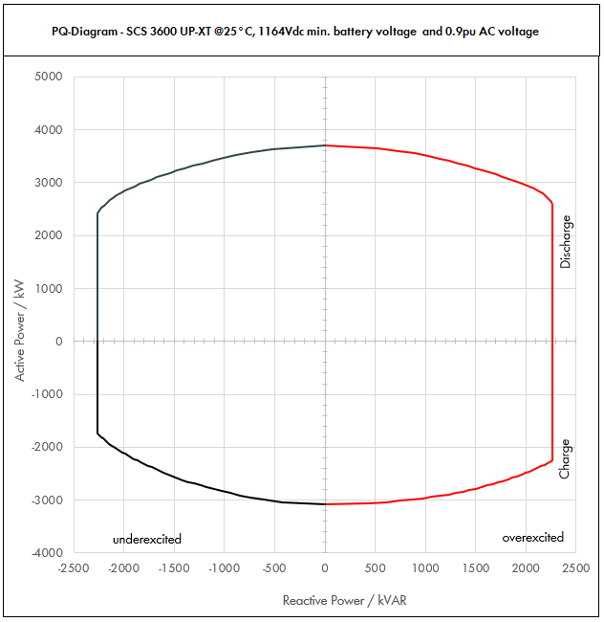

 | Apparent Power [kVA] |  |  |  | Active Power [kW] |  |  |  | Reactive Power [kVAR]
PF | Dis-OE | Dis-UE | Cha-OE | Cha-UE | Dis-OE | Dis-UE | Cha-OE | Cha-UE | Dis-OE | Dis-UE | Cha-OE | Cha-UE
0 | 2268.0025298 | 2268.0020484 | 2268.0024635 | 2268.0019597 | 0 | 0 | 0 | 0 | 2268.0025298 | -2268.0020484 | 2268.0024635 | -2268.0019597
0.01 | 2268.0025298 | 2268.0020484 | 2268.0024635 | 2268.0019597 | 0.022680025298 | 0.022680020484 | -0.022680024635 | -0.022680019597 | 2268.0025297 | -2268.0020483 | 2268.0024634 | -2268.0019595
0.05 | 2280.648829 | 2278.2420646 | 2280.3174335 | 2277.7983057 | 114.03244145 | 113.91210323 | -114.01587168 | -113.88991529 | 2268.0025298 | -2268.0020484 | 2268.0025298 | -2268.0020484
0.1 | 2293.297658 | 2288.4841292 | 2292.634867 | 2287.5966114 | 229.3297658 | 228.84841292 | -229.2634867 | -228.75966114 | 2268.0025298 | -2268.0020484 | 2268.0025298 | -2268.0020484
0.15 | 2330.8286024 | 2319.4997249 | 2328.1383477 | 2315.2347556 | 349.62429036 | 347.92495874 | -349.22075215 | -347.28521335 | 2268.0025298 | -2268.0020484 | 2268.0025298 | -2268.0020484
0.2 | 2368.3595468 | 2350.5153206 | 2363.6418284 | 2342.8728999 | 473.67190935 | 470.10306412 | -472.72836567 | -468.57457997 | 2268.0025298 | -2268.0020484 | 2268.0025298 | -2268.0020484
0.25 | 2429.2870645 | 2402.3843341 | 2419.6669241 | 2386.67012 | 607.32176612 | 600.59608352 | -604.91673103 | -596.66753001 | 2268.0025298 | -2268.0020484 | 2268.0025298 | -2268.0020484
0.3 | 2490.2145822 | 2454.2533476 | 2475.6920199 | 2430.4673402 | 747.06437467 | 736.27600428 | -742.70760597 | -729.14020206 | 2268.0025298 | -2268.0020484 | 2268.0025298 | -2268.0020484
0.35 | 2572.7260724 | 2526.4940787 | 2549.3166392 | 2488.3276557 | 900.45412535 | 884.27292754 | -892.26082371 | -870.91467951 | 2268.0025298 | -2268.0020484 | 2268.0025298 | -2268.0020484
0.4 | 2655.2375626 | 2598.7348097 | 2622.9412584 | 2546.1879713 | 1062.0950251 | 1039.4939239 | -1049.1765034 | -1018.4751885 | 2268.0025298 | -2268.0020484 | 2268.0025298 | -2268.0020484
0.45 | 2756.1178079 | 2690.4304273 | 2710.8696764 | 2615.7073164 | 1240.2530136 | 1210.6936923 | -1219.8913544 | -1177.0682924 | 2268.0025298 | -2268.0020484 | 2268.0025298 | -2268.0020484
0.5 | 2856.9980532 | 2782.1260449 | 2798.7980943 | 2685.2266616 | 1428.4990266 | 1391.0630224 | -1399.3990471 | -1342.6133308 | 2268.0025298 | -2268.0020484 | 2268.0025298 | -2268.0020484
0.51 | 2880.505425 | 2804.4174775 | 2817.9498244 | 2702.0716121 | 1469.0577667 | 1430.2529135 | -1437.1544104 | -1378.0565222 | 2268.0025298 | -2268.0020484 | 2268.0025298 | -2268.0020484
0.52 | 2904.0127967 | 2826.70891 | 2837.1015545 | 2718.9165626 | 1510.0866543 | 1469.8886332 | -1475.2928083 | -1413.8366126 | 2268.0025298 | -2268.0020484 | 2268.0025298 | -2268.0020484
0.53 | 2927.5201684 | 2849.0003426 | 2856.2532846 | 2735.7615132 | 1551.5856893 | 1509.9701816 | -1513.8142408 | -1449.953602 | 2268.0025298 | -2268.0020484 | 2268.0025298 | -2268.0020484
0.54 | 2951.0275402 | 2871.2917752 | 2875.4050147 | 2752.6064637 | 1593.5548717 | 1550.4975586 | -1552.7187079 | -1486.4074904 | 2268.0025298 | -2268.0020484 | 2268.0025298 | -2268.0020484
0.55 | 2974.5349119 | 2893.5832077 | 2894.5567448 | 2769.4514142 | 1635.9942016 | 1591.4707643 | -1592.0062096 | -1523.1982778 | 2268.0025298 | -2268.0020484 | 2268.0025298 | -2268.0020484
0.56 | 2998.0422836 | 2915.8746403 | 2913.7084749 | 2786.2963648 | 1678.9036788 | 1632.8897986 | -1631.6767459 | -1560.3259643 | 2268.0025298 | -2268.0020484 | 2268.0025298 | -2268.0020484
0.57 | 3021.5496554 | 2938.1660729 | 2932.860205 | 2803.1413153 | 1722.2833036 | 1674.7546615 | -1671.7303168 | -1597.7905497 | 2268.0025298 | -2268.0020484 | 2268.0025298 | -2268.0020484
0.58 | 3045.0570271 | 2960.4575055 | 2952.0119351 | 2819.9862659 | 1766.1330757 | 1717.0653532 | -1712.1669223 | -1635.5920342 | 2268.0025298 | -2268.0020484 | 2268.0025298 | -2268.0020484
0.59 | 3068.5643989 | 2982.748938 | 2971.1636651 | 2836.8312164 | 1810.4529953 | 1759.8218734 | -1752.9865624 | -1673.7304177 | 2268.0025298 | -2268.0020484 | 2268.0025298 | -2268.0020484
0.6 | 3092.0717706 | 3005.0403706 | 2990.3153952 | 2853.6761669 | 1855.2430624 | 1803.0242224 | -1794.1892371 | -1712.2057002 | 2268.0025298 | -2268.0020484 | 2268.0025298 | -2268.0020484
0.61 | 3118.2152427 | 3031.0494894 | 3011.1599234 | 2858.7316213 | 1902.1112981 | 1848.9401885 | -1836.8075533 | -1743.826289 | 2268.0025298 | -2268.0020484 | 2268.0025298 | -2265.2629773
0.62 | 3144.3587148 | 3057.0586081 | 3032.0044515 | 2863.7870757 | 1949.5024032 | 1895.3763371 | -1879.8427599 | -1775.5479869 | 2268.0025298 | -2268.0020484 | 2268.0025298 | -2246.9325226
0.63 | 3170.5021869 | 3083.0677269 | 3052.8489797 | 2868.8425301 | 1997.4163778 | 1942.332668 | -1923.2948572 | -1807.3707939 | 2268.0025298 | -2268.0020484 | 2268.0025298 | -2227.9291451
0.64 | 3196.645659 | 3109.0768457 | 3073.6935078 | 2873.8979844 | 2045.8532218 | 1989.8091812 | -1967.163845 | -1839.29471 | 2268.0025298 | -2268.0020484 | 2268.0025298 | -2208.2311008
0.65 | 3222.7891311 | 3135.0859645 | 3094.538036 | 2878.9534388 | 2094.8129352 | 2037.8058769 | -2011.4497234 | -1871.3197352 | 2268.0025298 | -2268.0020484 | 2268.0025298 | -2187.8152005
0.66 | 3248.9326033 | 3161.0950832 | 3115.3825641 | 2884.0088932 | 2144.2955181 | 2086.3227549 | -2056.1524923 | -1903.4458695 | 2268.0025298 | -2268.0020484 | 2268.0025298 | -2166.6566682
0.67 | 3275.0760754 | 3187.104202 | 3136.2270922 | 2889.0643476 | 2194.3009705 | 2135.3598153 | -2101.2721518 | -1935.6731129 | 2268.0025298 | -2268.0020484 | 2268.0025298 | -2144.7289816
0.68 | 3301.2195475 | 3213.1133208 | 3157.0716204 | 2894.1198019 | 2244.8292923 | 2184.9170581 | -2146.8087019 | -1968.0014653 | 2268.0025298 | -2268.0020484 | 2268.0025298 | -2122.00369
0.69 | 3327.3630196 | 3239.1224396 | 3177.9161485 | 2899.1752563 | 2295.8804835 | 2234.9944833 | -2192.7621425 | -2000.4309269 | 2268.0025298 | -2268.0020484 | 2268.0025298 | -2098.4502076
0.7 | 3353.5064917 | 3265.1315583 | 3198.7606767 | 2904.2307107 | 2347.4545442 | 2285.5920908 | -2239.1324737 | -2032.9614975 | 2268.0025298 | -2268.0020484 | 2268.0025298 | -2074.035576
0.71 | 3373.5862649 | 3284.2240274 | 3197.7180257 | 2907.317834 | 2395.2462481 | 2331.7990594 | -2270.3797983 | -2064.1956621 | 2268.0025298 | -2268.0020484 | 2251.838392 | -2047.3380903
0.72 | 3393.6660381 | 3303.3164964 | 3196.6753748 | 2910.4049572 | 2443.4395474 | 2378.3878774 | -2301.6062698 | -2095.4915692 | 2268.0025298 | -2268.0020484 | 2218.4097976 | -2019.7455529
0.73 | 3413.7458113 | 3322.4089655 | 3195.6327238 | 2913.4920805 | 2492.0344422 | 2425.3585448 | -2332.8118884 | -2126.8492187 | 2268.0025298 | -2268.0020484 | 2184.0460615 | -1991.2178444
0.74 | 3433.8255845 | 3341.5014345 | 3194.5900729 | 2916.5792037 | 2541.0309325 | 2472.7110615 | -2363.9966539 | -2158.2686108 | 2268.0025298 | -2247.5168171 | 2148.7032261 | -1961.7112059
0.75 | 3453.9053577 | 3360.5939036 | 3193.5474219 | 2919.666327 | 2590.4290183 | 2520.4454277 | -2395.1605664 | -2189.7497452 | 2268.0025298 | -2222.8239316 | 2112.3330696 | -1931.1777531
0.76 | 3473.9851309 | 3379.6863726 | 3192.504771 | 2922.7534502 | 2640.2286995 | 2568.5616432 | -2426.3036259 | -2221.2926222 | 2257.8230896 | -2196.5361509 | 2074.8825093 | -1899.5649022
0.77 | 3494.0649041 | 3398.7788417 | 3191.46212 | 2925.8405735 | 2690.4299761 | 2617.0597081 | -2457.4258324 | -2252.8972416 | 2229.3667481 | -2168.5700586 | 2036.2928919 | -1866.8146883
0.78 | 3514.1446773 | 3417.8713107 | 3190.419469 | 2928.9276967 | 2741.0328483 | 2665.9396223 | -2488.5271859 | -2284.5636035 | 2199.0797479 | -2138.8338473 | 1996.4991444 | -1832.8629503
0.79 | 3534.2244505 | 3436.9637797 | 3189.3768181 | 2932.01482 | 2792.0373159 | 2715.201386 | -2519.6076863 | -2316.2917078 | 2166.8571926 | -2107.2260099 | 1955.4287497 | -1797.6383477
0.8 | 3554.3042237 | 3456.0562488 | 3188.3341671 | 2935.1019433 | 2843.4433789 | 2764.844999 | -2550.6673337 | -2348.0815546 | 2132.5825342 | -2073.6337493 | 1913.0005003 | -1761.061166
0.81 | 3558.1339165 | 3464.6229904 | 3185.109935 | 2940.2653697 | 2882.0884723 | 2806.3446222 | -2579.9390474 | -2381.6149495 | 2086.5960331 | -2031.7584322 | 1867.8436257 | -1724.2594575
0.82 | 3561.9636093 | 3473.189732 | 3181.8857029 | 2945.4287962 | 2920.8101596 | 2848.0155803 | -2609.1462764 | -2415.2516128 | 2038.7380326 | -1987.9271036 | 1821.1953038 | -1685.8559962
0.83 | 3565.7933021 | 3481.7564736 | 3178.6614708 | 2950.5922226 | 2959.6084408 | 2889.8578731 | -2638.2890207 | -2448.9915448 | 1988.8689627 | -1941.9962963 | 1772.9409998 | -1645.7323226
0.84 | 3569.6229949 | 3490.3232152 | 3175.4372386 | 2955.7556491 | 2998.4833157 | 2931.8715008 | -2667.3672804 | -2482.8347452 | 1936.8288854 | -1893.8019035 | 1722.9490554 | -1603.7528129
0.85 | 3573.4526877 | 3498.8899569 | 3172.2130065 | 2960.9190755 | 3037.4347846 | 2974.0564633 | -2696.3810555 | -2516.7812142 | 1882.433011 | -1843.1546552 | 1671.0668933 | -1559.7609085
0.86 | 3577.2823806 | 3507.4566985 | 3168.9887744 | 2966.0825019 | 3076.4628473 | 3016.4127607 | -2725.330346 | -2550.8309517 | 1825.4658528 | -1789.8342238 | 1617.1160618 | -1513.5742018
0.87 | 3581.1120734 | 3516.0234401 | 3165.7645422 | 2971.2459284 | 3115.5675038 | 3058.9403929 | -2754.2151517 | -2584.9839577 | 1765.6734724 | -1733.5814097 | 1560.8856572 | -1464.9779198
0.88 | 3584.9417662 | 3524.5901817 | 3162.5403101 | 2976.4093548 | 3154.7487542 | 3101.6393599 | -2783.0354729 | -2619.2402323 | 1702.7529958 | -1674.0875814 | 1502.1234202 | -1413.7161148
0.89 | 3588.771459 | 3533.1569233 | 3159.316078 | 2981.5727813 | 3194.0065985 | 3144.5096617 | -2811.7913094 | -2653.5997754 | 1636.3381171 | -1610.9800843 | 1440.5234163 | -1359.4794895
0.9 | 3592.6011518 | 3541.7236649 | 3156.0918458 | 2986.7362077 | 3233.3410366 | 3187.5512984 | -2840.4826613 | -2688.062587 | 1565.9785365 | -1543.8015541 | 1375.7085413 | -1301.8881301
0.91 | 3602.3272312 | 3551.2028355 | 3149.3453527 | 2993.0382137 | 3278.1177804 | 3231.5945803 | -2865.9042709 | -2723.6647744 | 1493.5545851 | -1472.3579889 | 1305.7445616 | -1240.9383325
0.92 | 3612.0533107 | 3560.6820061 | 3142.5988595 | 2999.3402196 | 3323.0890458 | 3275.8274456 | -2891.1909507 | -2759.393002 | 1415.6300056 | -1395.4966482 | 1231.6421875 | -1175.4964965
0.93 | 3621.7793901 | 3570.1611767 | 3135.8523663 | 3005.6422255 | 3368.2548328 | 3320.2498943 | -2916.3427007 | -2795.2472697 | 1331.2194905 | -1312.2467248 | 1152.6123874 | -1104.7524106
0.94 | 3631.5054695 | 3579.6403473 | 3129.1058732 | 3011.9442314 | 3413.6151413 | 3364.8619265 | -2941.3595208 | -2831.2275775 | 1238.9768529 | -1221.2817987 | 1067.5709508 | -1027.598393
0.95 | 3641.2315489 | 3589.1195179 | 3122.35938 | 3018.2462373 | 3459.1699715 | 3409.663542 | -2966.241411 | -2867.3339254 | 1136.9741867 | -1120.7022103 | 974.95640392 | -942.44708553
0.96 | 3652.7030235 | 3611.0133986 | 3113.6495424 | 3030.3590282 | 3506.5949025 | 3466.5728627 | -2989.1035607 | -2909.1446671 | 1022.7568466 | -1011.0837516 | 871.82187186 | -848.50052789
0.97 | 3664.174498 | 3632.9072794 | 3104.9397047 | 3042.4718191 | 3554.249263 | 3523.920061 | -3011.7915136 | -2951.1976645 | 890.77883216 | -883.17761761 | 754.82610493 | -739.63985487
0.98 | 3675.6459725 | 3654.8011601 | 3096.2298671 | 3054.58461 | 3602.1330531 | 3581.7051369 | -3034.3052698 | -2993.4929178 | 731.44431318 | -727.29624788 | 616.14196403 | -607.85466251
0.99 | 3687.117447 | 3676.6950408 | 3087.5200295 | 3066.6974009 | 3650.2462726 | 3639.9280904 | -3056.6448292 | -3036.0304269 | 520.13192351 | -518.66166219 | 435.54829888 | -432.61090564
1 | 3698.5889215 | 3698.5889215 | 3078.8101918 | 3078.8101918 | 3698.5889215 | 3698.5889215 | -3078.8101918 | -3078.8101918 | 0 | 0 | 0 | 0

Dis-OE: Discharge Overexcited |  |  |  | Overexcited (OE): +Q, +PF, Leading PF, Injecting kVAR
Dis-UE: Discharge Underexcited |  |  |  | Underexcited (UE): -Q, -PF, Lagging PF, Absorbing kVAR
Cha-OE: Charge Overexcited
Cha-UE: Charge Underexcited

CATL_25C_1.0pu
 |  |  | Sunny Central Storage UP Inverter PQ Capability

SCS UP (XT) device |  |  |  | 3600 UP-XT |  |  |  | All values on inverter terminal level!
Design temperature |  |  |  | 25 |  | °C |  | Power Factor adjustable: 0.0 UE to 0.0 OE
Installation Altitude |  |  |  | 0 … 1000 |  | m
Max. Battery Voltage (min. 1200V) |  |  |  | 1496 |  | VDC
Min. battery voltage |  |  |  | 1164 |  | VDC |  | Please select:
AC voltage |  |  |  | 1 |  | pu |  | Project plant specific |  |  | VArRtg: | 2520 | kVAr
PF Dis-OE (@min battery voltage) |  |  |  | 0
PF Cha-OE (@min battery voltage) |  |  |  | 0

 | PQ-Diagram - SCS 3600 UP-XT @25°C, 1164Vdc min. battery voltage and 1pu AC voltage
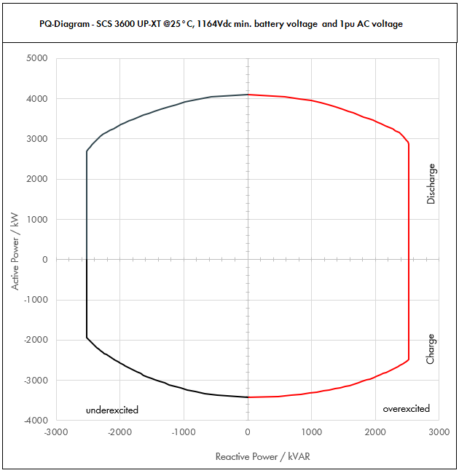

 | Apparent Power [kVA] |  |  |  | Active Power [kW] |  |  |  | Reactive Power [kVAR]
PF | Dis-OE | Dis-UE | Cha-OE | Cha-UE | Dis-OE | Dis-UE | Cha-OE | Cha-UE | Dis-OE | Dis-UE | Cha-OE | Cha-UE
0 | 2520.0028109 | 2520.002276 | 2520.0027372 | 2520.0021774 | 0 | 0 | 0 | 0 | 2520.0028109 | -2520.002276 | 2520.0027372 | -2520.0021774
0.01 | 2520.0028109 | 2520.002276 | 2520.0027372 | 2520.0021774 | 0.025200028109 | 0.02520002276 | -0.025200027372 | -0.025200021774 | 2520.0028107 | -2520.0022759 | 2520.0027371 | -2520.0021773
0.05 | 2534.0542545 | 2531.3800718 | 2533.6860372 | 2530.8870063 | 126.70271272 | 126.56900359 | -126.68430186 | -126.54435032 | 2520.0028109 | -2520.002276 | 2520.0028109 | -2520.002276
0.1 | 2548.1085089 | 2542.7601436 | 2547.3720745 | 2541.7740127 | 254.81085089 | 254.27601436 | -254.73720745 | -254.17740127 | 2520.0028109 | -2520.002276 | 2520.0028109 | -2520.002276
0.15 | 2589.8095582 | 2577.2219166 | 2586.8203863 | 2572.4830618 | 388.47143373 | 386.58328749 | -388.02305795 | -385.87245927 | 2520.0028109 | -2520.002276 | 2520.0028109 | -2520.002276
0.2 | 2631.5106075 | 2611.6836895 | 2626.2686982 | 2603.192111 | 526.3021215 | 522.33673791 | -525.25373963 | -520.63842219 | 2520.0028109 | -2520.002276 | 2520.0028109 | -2520.002276
0.25 | 2699.2078494 | 2669.3159268 | 2688.5188046 | 2651.8556889 | 674.80196236 | 667.32898169 | -672.12970114 | -662.96392223 | 2520.0028109 | -2520.002276 | 2520.0028109 | -2520.002276
0.3 | 2766.9050914 | 2726.948164 | 2750.768911 | 2700.5192669 | 830.07152741 | 818.0844492 | -825.2306733 | -810.15578007 | 2520.0028109 | -2520.002276 | 2520.0028109 | -2520.002276
0.35 | 2858.5845249 | 2807.215643 | 2832.5740435 | 2764.8085064 | 1000.5045837 | 982.52547504 | -991.40091523 | -967.68297723 | 2520.0028109 | -2520.002276 | 2520.0028109 | -2520.002276
0.4 | 2950.2639585 | 2887.4831219 | 2914.379176 | 2829.0977458 | 1180.1055834 | 1154.9932488 | -1165.7516704 | -1131.6390983 | 2520.0028109 | -2520.002276 | 2520.0028109 | -2520.002276
0.45 | 3062.3531199 | 2989.3671415 | 3012.0774182 | 2906.3414627 | 1378.058904 | 1345.2152137 | -1355.4348382 | -1307.8536582 | 2520.0028109 | -2520.002276 | 2520.0028109 | -2520.002276
0.5 | 3174.4422814 | 3091.251161 | 3109.7756603 | 2983.5851795 | 1587.2211407 | 1545.6255805 | -1554.8878302 | -1491.7925898 | 2520.0028109 | -2520.002276 | 2520.0028109 | -2520.002276
0.51 | 3200.5615833 | 3116.0194194 | 3131.0553604 | 3002.3017912 | 1632.2864075 | 1589.1699039 | -1596.8382338 | -1531.1739135 | 2520.0028109 | -2520.002276 | 2520.0028109 | -2520.002276
0.52 | 3226.6808852 | 3140.7876778 | 3152.3350605 | 3021.0184029 | 1677.8740603 | 1633.2095925 | -1639.2142315 | -1570.9295695 | 2520.0028109 | -2520.002276 | 2520.0028109 | -2520.002276
0.53 | 3252.8001872 | 3165.5559362 | 3173.6147606 | 3039.7350146 | 1723.9840992 | 1677.7446462 | -1682.0158231 | -1611.0595578 | 2520.0028109 | -2520.002276 | 2520.0028109 | -2520.002276
0.54 | 3278.9194891 | 3190.3241946 | 3194.8944607 | 3058.4516263 | 1770.6165241 | 1722.7750651 | -1725.2430088 | -1651.5638782 | 2520.0028109 | -2520.002276 | 2520.0028109 | -2520.002276
0.55 | 3305.038791 | 3215.092453 | 3216.1741608 | 3077.168238 | 1817.7713351 | 1768.3008492 | -1768.8957885 | -1692.4425309 | 2520.0028109 | -2520.002276 | 2520.0028109 | -2520.002276
0.56 | 3331.1580929 | 3239.8607115 | 3237.453861 | 3095.8848498 | 1865.448532 | 1814.3219984 | -1812.9741621 | -1733.6955159 | 2520.0028109 | -2520.002276 | 2520.0028109 | -2520.002276
0.57 | 3357.2773949 | 3264.6289699 | 3258.7335611 | 3114.6014615 | 1913.6481151 | 1860.8385128 | -1857.4781298 | -1775.322833 | 2520.0028109 | -2520.002276 | 2520.0028109 | -2520.002276
0.58 | 3383.3966968 | 3289.3972283 | 3280.0132612 | 3133.3180732 | 1962.3700841 | 1907.8503924 | -1902.4076915 | -1817.3244824 | 2520.0028109 | -2520.002276 | 2520.0028109 | -2520.002276
0.59 | 3409.5159987 | 3314.1654867 | 3301.2929613 | 3152.0346849 | 2011.6144393 | 1955.3576372 | -1947.7628472 | -1859.7004641 | 2520.0028109 | -2520.002276 | 2520.0028109 | -2520.002276
0.6 | 3435.6353007 | 3338.9337451 | 3322.5726614 | 3170.7512966 | 2061.3811804 | 2003.3602471 | -1993.5435968 | -1902.4507779 | 2520.0028109 | -2520.002276 | 2520.0028109 | -2520.002276
0.61 | 3464.683603 | 3367.832766 | 3345.7332482 | 3176.3684681 | 2113.4569978 | 2054.3779872 | -2040.8972814 | -1937.5847655 | 2520.0028109 | -2520.002276 | 2520.0028109 | -2516.9588637
0.62 | 3493.7319054 | 3396.7317868 | 3368.893835 | 3181.9856396 | 2166.1137813 | 2105.9737078 | -2088.7141777 | -1972.8310966 | 2520.0028109 | -2520.002276 | 2520.0028109 | -2496.5916917
0.63 | 3522.7802077 | 3425.6308077 | 3392.0544219 | 3187.6028112 | 2219.3515308 | 2158.1474088 | -2136.9942858 | -2008.189771 | 2520.0028109 | -2520.002276 | 2520.0028109 | -2475.4768279
0.64 | 3551.82851 | 3454.5298285 | 3415.2150087 | 3193.2199827 | 2273.1702464 | 2210.8990903 | -2185.7376056 | -2043.6607889 | 2520.0028109 | -2520.002276 | 2520.0028109 | -2453.590112
0.65 | 3580.8768124 | 3483.4288494 | 3438.3755955 | 3198.8371542 | 2327.5699281 | 2264.2287521 | -2234.9441371 | -2079.2441503 | 2520.0028109 | -2520.002276 | 2520.0028109 | -2430.9057783
0.66 | 3609.9251147 | 3512.3278703 | 3461.5361823 | 3204.4543258 | 2382.5505757 | 2318.1363944 | -2284.6138803 | -2114.939855 | 2520.0028109 | -2520.002276 | 2520.0028109 | -2407.396298
0.67 | 3638.9734171 | 3541.2268911 | 3484.6967692 | 3210.0714973 | 2438.1121894 | 2372.6220171 | -2334.7468353 | -2150.7479032 | 2520.0028109 | -2520.002276 | 2520.0028109 | -2383.0322018
0.68 | 3668.0217194 | 3570.125912 | 3507.857356 | 3215.6886688 | 2494.2547692 | 2427.6856201 | -2385.3430021 | -2186.6682948 | 2520.0028109 | -2520.002276 | 2520.0028109 | -2357.7818778
0.69 | 3697.0700218 | 3599.0249328 | 3531.0179428 | 3221.3058404 | 2550.978315 | 2483.3272037 | -2436.4023805 | -2222.7010298 | 2520.0028109 | -2520.002276 | 2520.0028109 | -2331.6113418
0.7 | 3726.1183241 | 3627.9239537 | 3554.1785296 | 3226.9230119 | 2608.2828269 | 2539.5467676 | -2487.9249707 | -2258.8461083 | 2520.0028109 | -2520.002276 | 2520.0028109 | -2304.4839734
0.71 | 3748.4291832 | 3649.1378082 | 3553.0200286 | 3230.3531488 | 2661.3847201 | 2590.8878438 | -2522.6442203 | -2293.5507357 | 2520.0028109 | -2520.002276 | 2502.0426578 | -2274.8201004
0.72 | 3770.7400423 | 3670.3516627 | 3551.8615275 | 3233.7832858 | 2714.9328305 | 2642.6531971 | -2557.3402998 | -2328.3239658 | 2520.0028109 | -2520.002276 | 2464.8997752 | -2244.1617254
0.73 | 3793.0509014 | 3691.5655172 | 3550.7030265 | 3237.2134227 | 2768.927158 | 2694.8428275 | -2592.0132093 | -2363.1657986 | 2520.0028109 | -2520.002276 | 2426.7178462 | -2212.4642715
0.74 | 3815.3617605 | 3712.7793717 | 3549.5445254 | 3240.6435597 | 2823.3677028 | 2747.456735 | -2626.6629488 | -2398.0762342 | 2520.0028109 | -2497.2409079 | 2387.448029 | -2179.6791177
0.75 | 3837.6726196 | 3733.9932262 | 3548.3860243 | 3244.0736966 | 2878.2544647 | 2800.4949196 | -2661.2895183 | -2433.0552725 | 2520.0028109 | -2469.8043684 | 2347.036744 | -2145.753059
0.76 | 3859.9834788 | 3755.2070807 | 3547.2275233 | 3247.5038336 | 2933.5874439 | 2853.9573813 | -2695.8929177 | -2468.1029135 | 2508.6923218 | -2440.5957233 | 2305.4250103 | -2110.6276691
0.77 | 3882.2943379 | 3776.4209352 | 3546.0690222 | 3250.9339705 | 2989.3666402 | 2907.8441201 | -2730.4731471 | -2503.2191573 | 2477.0741645 | -2409.5222873 | 2262.5476577 | -2074.2385425
0.78 | 3904.605197 | 3797.6347897 | 3544.9105212 | 3254.3641075 | 3045.5920536 | 2962.1551359 | -2765.0302065 | -2538.4040038 | 2443.4219421 | -2376.4820526 | 2218.3323827 | -2036.5143892
0.79 | 3926.9160561 | 3818.8486442 | 3543.7520201 | 3257.7942444 | 3102.2636843 | 3016.8904289 | -2799.5640959 | -2573.6574531 | 2407.6191029 | -2341.3622332 | 2172.6986107 | -1997.3759419
0.8 | 3949.2269152 | 3840.0624987 | 3542.593519 | 3261.2243814 | 3159.3815321 | 3072.0499989 | -2834.0748152 | -2608.9795051 | 2369.5361491 | -2304.0374992 | 2125.5561114 | -1956.7346288
0.81 | 3953.4821294 | 3849.5811005 | 3539.0110389 | 3266.9615219 | 3202.3205248 | 3118.1606914 | -2866.5989415 | -2646.2388327 | 2318.4400367 | -2257.5093691 | 2075.3818063 | -1915.8438417
0.82 | 3957.7373437 | 3859.0997022 | 3535.4285588 | 3272.6986624 | 3245.3446218 | 3164.4617558 | -2899.0514182 | -2683.6129032 | 2265.2644806 | -2208.8078929 | 2023.5503376 | -1873.1733291
0.83 | 3961.9925579 | 3868.618304 | 3531.8460786 | 3278.4358029 | 3288.4538231 | 3210.9531923 | -2931.4322452 | -2721.1017164 | 2209.854403 | -2157.7736626 | 1969.9344442 | -1828.5914696
0.84 | 3966.2477721 | 3878.1369058 | 3528.2635985 | 3284.1729434 | 3331.6481286 | 3257.6350009 | -2963.7414227 | -2758.7052724 | 2152.0320948 | -2104.2243372 | 1914.3878394 | -1781.9475699
0.85 | 3970.5029864 | 3887.6555076 | 3524.6811183 | 3289.9100839 | 3374.9275384 | 3304.5071815 | -2995.9789506 | -2796.4235713 | 2091.5922345 | -2047.9496169 | 1856.7409926 | -1733.0676761
0.86 | 3974.7582006 | 3897.1741094 | 3521.0986382 | 3295.6472244 | 3418.2920525 | 3351.5697341 | -3028.1448288 | -2834.256613 | 2028.2953919 | -1988.7046932 | 1796.7956243 | -1681.7491131
0.87 | 3979.0134149 | 3906.6927112 | 3517.516158 | 3301.3843649 | 3461.7416709 | 3398.8226587 | -3060.2390575 | -2872.2043975 | 1961.8594138 | -1926.2015663 | 1734.3173969 | -1627.7532442
0.88 | 3983.2686291 | 3916.211313 | 3513.9336779 | 3307.1215054 | 3505.2763936 | 3446.2659554 | -3092.2616365 | -2910.2669247 | 1891.9477731 | -1860.0973126 | 1669.0260225 | -1570.7956831
0.89 | 3987.5238433 | 3925.7299148 | 3510.3511977 | 3312.8586459 | 3548.8962206 | 3493.8996242 | -3124.212566 | -2948.4441948 | 1818.1534635 | -1789.9778714 | 1600.5815737 | -1510.5327661
0.9 | 3991.7790576 | 3935.2485166 | 3506.7687176 | 3318.5957864 | 3592.6011518 | 3541.7236649 | -3156.0918458 | -2986.7362077 | 1739.9761517 | -1715.3350601 | 1528.5650458 | -1446.5423667
0.91 | 4002.5858125 | 3945.7809283 | 3499.2726141 | 3325.5980152 | 3642.3530894 | 3590.6606448 | -3184.3380788 | -3026.2941938 | 1659.5050945 | -1635.953321 | 1450.8272907 | -1378.8203694
0.92 | 4013.3925674 | 3956.3133401 | 3491.7765106 | 3332.600244 | 3692.321162 | 3639.8082729 | -3212.4343897 | -3065.9922244 | 1572.9222284 | -1550.5518313 | 1368.4913195 | -1306.1072183
0.93 | 4024.1993223 | 3966.8457519 | 3484.280407 | 3339.6024727 | 3742.5053698 | 3689.1665493 | -3240.3807785 | -3105.8302996 | 1479.1327672 | -1458.0519165 | 1280.6804304 | -1227.5026785
0.94 | 4035.0060772 | 3977.3781637 | 3476.7843035 | 3346.6047015 | 3792.9057126 | 3738.7354738 | -3268.1772453 | -3145.8084194 | 1376.6409476 | -1356.9797763 | 1186.1899454 | -1141.7759923
0.95 | 4045.8128322 | 3987.9105754 | 3469.2882 | 3353.6069303 | 3843.5221906 | 3788.5150467 | -3295.82379 | -3185.9265838 | 1263.3046519 | -1245.2246781 | 1083.2848932 | -1047.1634284
0.96 | 4058.558915 | 4012.2371096 | 3459.6106026 | 3367.0655869 | 3896.2165584 | 3851.7476252 | -3321.2261785 | -3232.3829634 | 1136.3964962 | -1123.4263907 | 968.69096874 | -942.77836433
0.97 | 4071.3049978 | 4036.5636437 | 3449.9330053 | 3380.5242434 | 3949.1658478 | 3915.4667344 | -3346.4350151 | -3279.1085161 | 989.75425796 | -981.30846402 | 838.69567215 | -821.82206096
0.98 | 4084.0510806 | 4060.8901779 | 3440.2554079 | 3393.9829 | 4002.3700589 | 3979.6723743 | -3371.4502997 | -3326.103242 | 812.71590353 | -808.10694209 | 684.60218226 | -675.39406945
0.99 | 4096.7971634 | 4085.216712 | 3430.5778105 | 3407.4415566 | 4055.8291917 | 4044.3645449 | -3396.2720324 | -3373.367141 | 577.92435946 | -576.29073576 | 483.94255431 | -480.67878405
1 | 4109.5432462 | 4109.5432462 | 3420.9002132 | 3420.9002132 | 4109.5432462 | 4109.5432462 | -3420.9002132 | -3420.9002132 | 0 | 0 | 0 | 0

Dis-OE: Discharge Overexcited |  |  |  | Overexcited (OE): +Q, +PF, Leading PF, Injecting kVAR
Dis-UE: Discharge Underexcited |  |  |  | Underexcited (UE): -Q, -PF, Lagging PF, Absorbing kVAR
Cha-OE: Charge Overexcited
Cha-UE: Charge Underexcited

CATL_25C_1.1pu
 |  |  | Sunny Central Storage UP Inverter PQ Capability

SCS UP (XT) device |  |  |  | 3600 UP-XT |  |  |  | All values on inverter terminal level!
Design temperature |  |  |  | 25 |  | °C |  | Power Factor adjustable: 0.0 UE to 0.0 OE
Installation Altitude |  |  |  | 0 … 1000 |  | m
Max. Battery Voltage (min. 1200V) |  |  |  | 1496 |  | VDC
Min. battery voltage |  |  |  | 1164 |  | VDC |  | Please select:
AC voltage |  |  |  | 1.1 |  | pu |  | Project plant specific |  |  | VArRtg: | 2520 | kVAr
PF Dis-OE (@min battery voltage) |  |  |  | 0
PF Cha-OE (@min battery voltage) |  |  |  | 0

 | PQ-Diagram - SCS 3600 UP-XT @25°C, 1164Vdc min. battery voltage and 1.1pu AC voltage
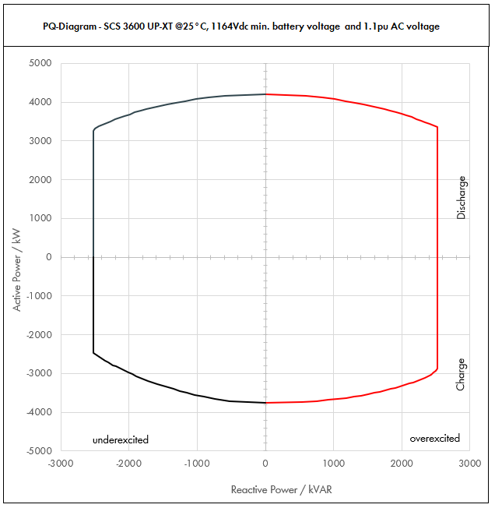

 | Apparent Power [kVA] |  |  |  | Active Power [kW] |  |  |  | Reactive Power [kVAR]
PF | Dis-OE | Dis-UE | Cha-OE | Cha-UE | Dis-OE | Dis-UE | Cha-OE | Cha-UE | Dis-OE | Dis-UE | Cha-OE | Cha-UE
0 | 2520.0034258 | 2520.0026243 | 2520.0033399 | 2520.0025221 | 0 | 0 | 0 | 0 | 2520.0034258 | -2520.0026243 | 2520.0033399 | -2520.0025221
0.01 | 2520.0034258 | 2520.0026243 | 2520.0033399 | 2520.0025221 | 0.025200034258 | 0.025200026243 | -0.025200033399 | -0.025200025221 | 2520.0034256 | -2520.0026241 | 2520.0033397 | -2520.002522
0.05 | 2537.1288491 | 2533.1212677 | 2536.6993435 | 2532.6104958 | 126.85644245 | 126.65606339 | -126.83496717 | -126.63052479 | 2520.0034258 | -2520.0026243 | 2520.0034258 | -2520.0026243
0.1 | 2554.2576982 | 2546.2425355 | 2553.3986869 | 2545.2209915 | 255.42576982 | 254.62425355 | -255.33986869 | -254.52209915 | 2520.0034258 | -2520.0026243 | 2520.0034258 | -2520.0026243
0.15 | 2605.2854664 | 2585.9309591 | 2601.7390043 | 2581.7045547 | 390.79281995 | 387.88964387 | -390.26085065 | -387.2556832 | 2520.0034258 | -2520.0026243 | 2520.0034258 | -2520.0026243
0.2 | 2656.3132345 | 2625.6193828 | 2650.0793217 | 2618.1881178 | 531.26264691 | 525.12387656 | -530.01586434 | -523.63762355 | 2520.0034258 | -2520.0026243 | 2520.0034258 | -2520.0026243
0.25 | 2736.8794431 | 2693.4311302 | 2725.9742895 | 2675.829756 | 684.21986077 | 673.35778254 | -681.49357237 | -668.95743901 | 2520.0034258 | -2520.0026243 | 2520.0034258 | -2520.0026243
0.3 | 2817.4456516 | 2761.2428776 | 2801.8692573 | 2733.4713943 | 845.23369549 | 828.37286327 | -840.56077718 | -820.0414183 | 2520.0034258 | -2520.0026243 | 2520.0034258 | -2520.0026243
0.35 | 2923.0543615 | 2854.2581687 | 2900.3679783 | 2808.1678909 | 1023.0690265 | 998.99035906 | -1015.1287924 | -982.85876182 | 2520.0034258 | -2520.0026243 | 2520.0034258 | -2520.0026243
0.4 | 3028.6630714 | 2947.2734599 | 2998.8666993 | 2882.8643875 | 1211.4652286 | 1178.909384 | -1199.5466797 | -1153.145755 | 2520.0034258 | -2520.0026243 | 2520.0034258 | -2520.0026243
0.45 | 3154.4839676 | 3062.8784404 | 3113.3005631 | 2973.3806815 | 1419.5177854 | 1378.2952982 | -1400.9852534 | -1338.0213067 | 2520.0034258 | -2520.0026243 | 2520.0034258 | -2520.0026243
0.5 | 3280.3048639 | 3178.4834209 | 3227.7344269 | 3063.8969754 | 1640.1524319 | 1589.2417104 | -1613.8672134 | -1531.9484877 | 2520.0034258 | -2520.0026243 | 2520.0034258 | -2520.0026243
0.51 | 3308.6561952 | 3206.5095585 | 3252.0650535 | 3085.6163603 | 1687.4146596 | 1635.3198748 | -1658.5531773 | -1573.6643438 | 2520.0034258 | -2520.0026243 | 2520.0034258 | -2520.0026243
0.52 | 3337.0075265 | 3234.5356961 | 3276.39568 | 3107.3357452 | 1735.2439138 | 1681.958562 | -1703.7257536 | -1615.8145875 | 2520.0034258 | -2520.0026243 | 2520.0034258 | -2520.0026243
0.53 | 3365.3588579 | 3262.5618337 | 3300.7263066 | 3129.0551301 | 1783.6401947 | 1729.1577719 | -1749.3849425 | -1658.3992189 | 2520.0034258 | -2520.0026243 | 2520.0034258 | -2520.0026243
0.54 | 3393.7101892 | 3290.5879713 | 3325.0569332 | 3150.7745149 | 1832.6035022 | 1776.9175045 | -1795.5307439 | -1701.4182381 | 2520.0034258 | -2520.0026243 | 2520.0034258 | -2520.0026243
0.55 | 3422.0615205 | 3318.614109 | 3349.3875598 | 3172.4938998 | 1882.1338363 | 1825.2377599 | -1842.1631579 | -1744.8716449 | 2520.0034258 | -2520.0026243 | 2520.0034258 | -2520.0026243
0.56 | 3450.4128519 | 3346.6402466 | 3373.7181864 | 3194.2132847 | 1932.231197 | 1874.1185381 | -1889.2821844 | -1788.7594394 | 2520.0034258 | -2520.0026243 | 2520.0034258 | -2520.0026243
0.57 | 3478.7641832 | 3374.6663842 | 3398.0488129 | 3215.9326695 | 1982.8955844 | 1923.559839 | -1936.8878234 | -1833.0816216 | 2520.0034258 | -2520.0026243 | 2520.0034258 | -2520.0026243
0.58 | 3507.1155145 | 3402.6925218 | 3422.3794395 | 3237.6520544 | 2034.1269984 | 1973.5616626 | -1984.9800749 | -1877.8381916 | 2520.0034258 | -2520.0026243 | 2520.0034258 | -2520.0026243
0.59 | 3535.4668459 | 3430.7186594 | 3446.7100661 | 3259.3714393 | 2085.9254391 | 2024.1240091 | -2033.558939 | -1923.0291492 | 2520.0034258 | -2520.0026243 | 2520.0034258 | -2520.0026243
0.6 | 3563.8181772 | 3458.744797 | 3471.0406927 | 3281.0908242 | 2138.2909063 | 2075.2468782 | -2082.6244156 | -1968.6544945 | 2520.0034258 | -2520.0026243 | 2520.0034258 | -2520.0026243
0.61 | 3594.6572267 | 3492.1484808 | 3498.2024601 | 3305.5673392 | 2192.7409083 | 2130.2105733 | -2133.9035007 | -2016.3960769 | 2520.0034258 | -2520.0026243 | 2520.0034258 | -2520.0026243
0.62 | 3625.4962762 | 3525.5521645 | 3525.3642276 | 3330.0438542 | 2247.8076912 | 2185.842342 | -2185.7258211 | -2064.6271896 | 2520.0034258 | -2520.0026243 | 2520.0034258 | -2520.0026243
0.63 | 3656.3353256 | 3558.9558482 | 3552.5259951 | 3354.5203692 | 2303.4912552 | 2242.1421844 | -2238.0913769 | -2113.3478326 | 2520.0034258 | -2520.0026243 | 2520.0034258 | -2520.0026243
0.64 | 3687.1743751 | 3592.359532 | 3579.6877625 | 3378.9968843 | 2359.7916001 | 2299.1101005 | -2291.000168 | -2162.5580059 | 2520.0034258 | -2520.0026243 | 2520.0034258 | -2520.0026243
0.65 | 3718.0134246 | 3625.7632157 | 3606.84953 | 3403.4733993 | 2416.708726 | 2356.7460902 | -2344.4521945 | -2212.2577095 | 2520.0034258 | -2520.0026243 | 2520.0034258 | -2520.0026243
0.66 | 3748.8524741 | 3659.1668994 | 3634.0112974 | 3427.9499143 | 2474.2426329 | 2415.0501536 | -2398.4474563 | -2262.4469434 | 2520.0034258 | -2520.0026243 | 2520.0034258 | -2520.0026243
0.67 | 3779.6915236 | 3692.5705832 | 3661.1730649 | 3452.4264293 | 2532.3933208 | 2474.0222907 | -2452.9859535 | -2313.1257077 | 2520.0034258 | -2520.0026243 | 2520.0034258 | -2520.0026243
0.68 | 3810.5305731 | 3725.9742669 | 3688.3348323 | 3476.9029444 | 2591.1607897 | 2533.6625015 | -2508.067686 | -2364.2940022 | 2520.0034258 | -2520.0026243 | 2520.0034258 | -2520.0026243
0.69 | 3841.3696226 | 3759.3779506 | 3715.4965998 | 3501.3794594 | 2650.5450396 | 2593.9707859 | -2563.6926539 | -2415.951827 | 2520.0034258 | -2520.0026243 | 2520.0034258 | -2520.0026243
0.7 | 3872.2086721 | 3792.7816344 | 3742.6583672 | 3525.8559744 | 2710.5460704 | 2654.9471441 | -2619.8608571 | -2468.0991821 | 2520.0034258 | -2520.0026243 | 2520.0034258 | -2517.9648091
0.71 | 3904.9878049 | 3829.5345407 | 3759.6484912 | 3530.8053086 | 2772.5413414 | 2718.9695239 | -2669.3504287 | -2506.8717691 | 2520.0034258 | -2520.0026243 | 2520.0034258 | -2486.3990147
0.72 | 3937.7669377 | 3866.287447 | 3776.6386151 | 3535.7546427 | 2835.1921951 | 2783.7269618 | -2719.1798028 | -2545.7433428 | 2520.0034258 | -2520.0026243 | 2520.0034258 | -2453.7220149
0.73 | 3970.5460704 | 3903.0403533 | 3793.628739 | 3540.7039769 | 2898.4986314 | 2849.2194579 | -2769.3489794 | -2584.7139031 | 2520.0034258 | -2520.0026243 | 2520.0034258 | -2419.8840243
0.74 | 4003.3252032 | 3939.7932597 | 3810.6188629 | 3545.653311 | 2962.4606504 | 2915.4470121 | -2819.8579585 | -2623.7834502 | 2520.0034258 | -2520.0026243 | 2520.0034258 | -2384.8307715
0.75 | 4036.104336 | 3976.546166 | 3827.6089868 | 3550.6026452 | 3027.078252 | 2982.4096245 | -2870.7067401 | -2662.9519839 | 2520.0034258 | -2520.0026243 | 2520.0034258 | -2348.5029009
0.76 | 4068.8834688 | 4013.2990723 | 3844.5991107 | 3555.5519793 | 3092.3514363 | 3050.1072949 | -2921.8953241 | -2702.2195043 | 2520.0034258 | -2520.0026243 | 2498.693666 | -2310.8352664
0.77 | 4101.6626016 | 4050.0519786 | 3861.5892346 | 3560.5013135 | 3158.2802032 | 3118.5400235 | -2973.4237106 | -2741.5860114 | 2520.0034258 | -2520.0026243 | 2463.8634 | -2271.7560929
0.78 | 4134.4417344 | 4086.8048849 | 3878.5793585 | 3565.4506476 | 3224.8645528 | 3187.7078103 | -3025.2918996 | -2781.0515052 | 2520.0034258 | -2520.0026243 | 2427.1355055 | -2231.1859731
0.79 | 4167.2208672 | 4123.5577913 | 3895.5694824 | 3570.3999818 | 3292.1044851 | 3257.6106551 | -3077.4998911 | -2820.6159856 | 2520.0034258 | -2520.0026243 | 2388.4003041 | -2189.0366584
0.8 | 4200 | 4160.3106976 | 3896.8528709 | 3575.3493159 | 3360 | 3328.2485581 | -3117.4822968 | -2860.2794528 | 2520 | -2496.1864186 | 2338.1117226 | -2145.2095896
0.81 | 4200 | 4164.2796278 | 3892.9121428 | 3580.7193231 | 3402 | 3373.0664985 | -3153.2588357 | -2900.3826517 | 2463.0054811 | -2442.0579877 | 2282.919987 | -2099.8407903
0.82 | 4200 | 4168.2485581 | 3888.9714146 | 3586.0893303 | 3444 | 3417.9638176 | -3188.95656 | -2940.5932509 | 2403.9267876 | -2385.7534205 | 2225.9053714 | -2052.5467152
0.83 | 4200 | 4172.2174883 | 3885.0306865 | 3591.4593375 | 3486 | 3462.9405153 | -3224.5754698 | -2980.9112502 | 2342.6062409 | -2327.110173 | 2166.9278886 | -2003.1845376
0.84 | 4200 | 4176.1864186 | 3881.0899583 | 3596.8293447 | 3528 | 3507.9965916 | -3260.115565 | -3021.3366496 | 2278.8628743 | -2265.9419489 | 2105.8266233 | -1951.5906807
0.85 | 4200 | 4180.1553488 | 3877.1492302 | 3602.1993519 | 3570 | 3553.1320465 | -3295.5768456 | -3061.8694491 | 2212.4872881 | -2202.0334694 | 2042.4150919 | -1897.576256
0.86 | 4200 | 4184.124279 | 3873.208502 | 3607.5693591 | 3612 | 3598.34688 | -3330.9593117 | -3102.5096489 | 2143.2349381 | -2135.1336524 | 1976.4751867 | -1840.9211172
0.87 | 4200 | 4188.0932093 | 3869.2677738 | 3612.9393663 | 3654 | 3643.6410921 | -3366.2629632 | -3143.2572487 | 2070.81723 | -2064.9465663 | 1907.7491365 | -1781.365974
0.88 | 4200 | 4192.0621395 | 3865.3270457 | 3618.3093735 | 3696 | 3689.0146828 | -3401.4878002 | -3184.1122487 | 1994.8894706 | -1991.1191958 | 1835.9286247 | -1718.6017311
0.89 | 4200 | 4196.0310698 | 3861.3863175 | 3623.6793807 | 3738 | 3734.4676521 | -3436.6338226 | -3225.0746488 | 1915.0342033 | -1913.2245278 | 1760.639731 | -1652.2547514
0.9 | 4200 | 4200 | 3857.4455894 | 3629.0493879 | 3780 | 3780 | -3471.7010304 | -3266.1444491 | 1830.7375563 | -1830.7375563 | 1681.4215504 | -1581.8659543
0.91 | 4200 | 4200 | 3849.1998755 | 3638.5912603 | 3822 | 3822 | -3502.7718867 | -3311.1180469 | 1741.3546451 | -1741.3546451 | 1595.9100198 | -1508.5899507
0.92 | 4200 | 4200 | 3840.9541616 | 3648.1331328 | 3864 | 3864 | -3533.6778287 | -3356.2824821 | 1646.0571072 | -1646.0571072 | 1505.3404514 | -1429.7703502
0.93 | 4200 | 4200 | 3832.7084477 | 3657.6750052 | 3906 | 3906 | -3564.4188564 | -3401.6377548 | 1543.7499798 | -1543.7499798 | 1408.7484735 | -1344.4132655
0.94 | 4200 | 4200 | 3824.4627339 | 3667.2168776 | 3948 | 3948 | -3594.9949698 | -3447.1838649 | 1432.9326572 | -1432.9326572 | 1304.8089399 | -1251.1606726
0.95 | 4200 | 4200 | 3816.21702 | 3676.75875 | 3990 | 3990 | -3625.406169 | -3492.9208125 | 1311.4495797 | -1311.4495797 | 1191.6133826 | -1148.0675517
0.96 | 4200 | 4200 | 3805.5716629 | 3695.207 | 4032 | 4032 | -3653.3487964 | -3547.39872 | 1176 | -1176 | 1065.5600656 | -1034.65796
0.97 | 4200 | 4200 | 3794.9263058 | 3713.65525 | 4074 | 4074 | -3681.0785166 | -3602.2455925 | 1021.0406456 | -1021.0406456 | 922.56523936 | -902.8078462
0.98 | 4200 | 4200 | 3784.2809487 | 3732.1035 | 4116 | 4116 | -3708.5953297 | -3657.46143 | 835.78944717 | -835.78944717 | 753.06240048 | -742.6792193
0.99 | 4200 | 4200 | 3773.6355916 | 3748.1857122 | 4158 | 4158 | -3735.8992357 | -3710.7038551 | 592.48291115 | -592.48291115 | 532.33680974 | -528.74666245
1 | 4200 | 4200 | 3762.9902345 | 3762.9902345 | 4200 | 4200 | -3762.9902345 | -3762.9902345 | 0 | 0 | 0 | 0

Dis-OE: Discharge Overexcited |  |  |  | Overexcited (OE): +Q, +PF, Leading PF, Injecting kVAR
Dis-UE: Discharge Underexcited |  |  |  | Underexcited (UE): -Q, -PF, Lagging PF, Absorbing kVAR
Cha-OE: Charge Overexcited
Cha-UE: Charge Underexcited

CATL_35C_0.9pu
 |  |  | Sunny Central Storage UP Inverter PQ Capability

SCS UP (XT) device |  |  |  | 3600 UP-XT |  |  |  | All values on inverter terminal level!
Design temperature |  |  |  | 35 |  | °C |  | Power Factor adjustable: 0.0 UE to 0.0 OE
Installation Altitude |  |  |  | 0 … 1000 |  | m
Max. Battery Voltage (min. 1200V)* |  |  |  | 1495 |  | VDC
Nom. Battery Voltage** |  |  |  | 1296.4 |  | VDC
Min. Battery Voltage*** |  |  |  | 1164 |  | VDC |  | Please select:
AC Voltage |  |  |  | 0.9 |  | pu |  | Project plant specific |  |  | VArRtg: | 2520 | kVAr
PF Dis-OE (@min battery voltage) |  |  |  | 0
PF Cha-OE (@nom battery voltage) |  |  |  | 0

 | PQ-Diagram - SCS 3600 UP-XT @35°C, 1164Vdc min. battery voltage and 0.9pu AC voltage
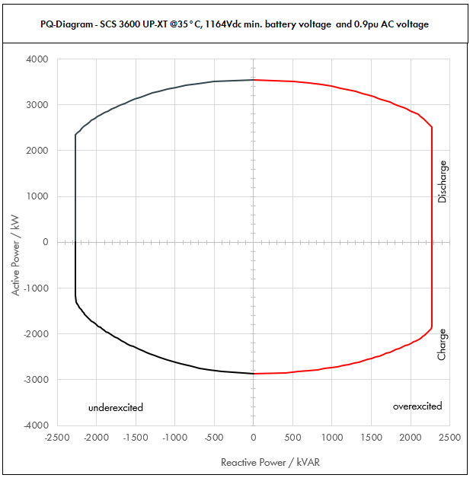

 | Apparent Power [kVA] |  |  |  | Active Power [kW] |  |  |  | Reactive Power [kVAR]
PF | Dis-OE | Dis-UE | Cha-OE | Cha-UE | Dis-OE | Dis-UE | Cha-OE | Cha-UE | Dis-OE | Dis-UE | Cha-OE | Cha-UE
0 | 2268.0024681 | 2268.0019776 | 2268.0021454 | 2268.0016969 | 0 | 0 | 0 | 0 | 2268.0024681 | -2268.0019776 | 2268.0021454 | -2268.0016969
0.01 | 2268.0024681 | 2268.0019776 | 2268.0021454 | 2268.0016969 | 0.022680024681 | 0.022680019776 | -0.022680021454 | -0.022680016969 | 2268.002468 | -2268.0019775 | 2268.0021453 | -2268.0016968
0.05 | 2280.3404206 | 2277.888132 | 2278.7270477 | 2276.4845317 | 114.01702103 | 113.8944066 | -113.93635239 | -113.82422659 | 2268.0024681 | -2268.0019776 | 2268.0021454 | -2268.0019776
0.1 | 2292.6808413 | 2287.7762639 | 2289.4540954 | 2284.9690635 | 229.26808413 | 228.77762639 | -228.94540954 | -228.49690635 | 2268.0024681 | -2268.0019776 | 2268.0021454 | -2268.0019776
0.15 | 2329.320819 | 2317.8205251 | 2320.5193934 | 2309.074024 | 349.39812285 | 347.67307877 | -348.07790902 | -346.3611036 | 2268.0024681 | -2268.0019776 | 2268.0021454 | -2268.0019776
0.2 | 2365.9607967 | 2347.8647864 | 2351.5846915 | 2333.1789845 | 473.19215934 | 469.57295727 | -470.3169383 | -466.6357969 | 2268.0024681 | -2268.0019776 | 2268.0021454 | -2268.0019776
0.25 | 2425.7702765 | 2398.1178046 | 2400.9614528 | 2371.3307056 | 606.44256913 | 599.52945114 | -600.2403632 | -592.83267639 | 2268.0024681 | -2268.0019776 | 2268.0021454 | -2268.0019776
0.3 | 2485.5797563 | 2448.3708228 | 2450.3382141 | 2409.4824266 | 745.6739269 | 734.51124684 | -735.10146423 | -722.84472799 | 2268.0024681 | -2268.0019776 | 2268.0021454 | -2268.0019776
0.35 | 2567.2980316 | 2518.4051015 | 2514.9602486 | 2460.1478508 | 898.55431107 | 881.44178553 | -880.23608702 | -861.05174778 | 2268.0024681 | -2268.0019776 | 2268.0021454 | -2268.0019776
0.4 | 2649.0163069 | 2588.4393802 | 2579.5822831 | 2510.813275 | 1059.6065228 | 1035.3757521 | -1031.8329133 | -1004.32531 | 2268.0024681 | -2268.0019776 | 2268.0021454 | -2268.0019776
0.45 | 2746.4961174 | 2677.6154577 | 2656.6673221 | 2558.8969796 | 1235.9232528 | 1204.926956 | -1195.5002949 | -1151.5036408 | 2268.0024681 | -2268.0019776 | 2268.0021454 | -2268.0019776
0.5 | 2843.9759279 | 2766.7915351 | 2733.752361 | 2606.9806842 | 1421.987964 | 1383.3957676 | -1366.8761805 | -1303.4903421 | 2268.0024681 | -2268.0019776 | 2268.0021454 | -2257.7114997
0.51 | 2866.6012939 | 2788.1332838 | 2750.8871387 | 2613.3897793 | 1461.9666599 | 1421.9479747 | -1402.9524407 | -1332.8287874 | 2268.0024681 | -2268.0019776 | 2268.0021454 | -2247.9709878
0.52 | 2889.2266599 | 2809.4750324 | 2768.0219164 | 2619.7988744 | 1502.3978631 | 1460.9270168 | -1439.3713965 | -1362.2954147 | 2268.0024681 | -2268.0019776 | 2268.0021454 | -2237.7438069
0.53 | 2911.8520259 | 2830.816781 | 2785.156694 | 2626.2079695 | 1543.2815737 | 1500.3328939 | -1476.1330478 | -1391.8902238 | 2268.0024681 | -2268.0019776 | 2268.0021454 | -2227.0181642
0.54 | 2934.4773918 | 2852.1585297 | 2802.2914717 | 2632.6170646 | 1584.6177916 | 1540.165606 | -1513.2373947 | -1421.6132149 | 2268.0024681 | -2268.0019776 | 2268.0021454 | -2215.7816851
0.55 | 2957.1027578 | 2873.5002783 | 2819.4262493 | 2639.0261597 | 1626.4065168 | 1580.4251531 | -1550.6844371 | -1451.4643878 | 2268.0024681 | -2268.0019776 | 2268.0021454 | -2204.0213707
0.56 | 2979.7281238 | 2894.842027 | 2836.561027 | 2645.4352548 | 1668.6477493 | 1621.1115351 | -1588.4741751 | -1481.4437427 | 2268.0024681 | -2268.0019776 | 2268.0021454 | -2191.7235511
0.57 | 3002.3534898 | 2916.1837756 | 2853.6958047 | 2651.8443499 | 1711.3414892 | 1662.2247521 | -1626.6066087 | -1511.5512794 | 2268.0024681 | -2268.0019776 | 2268.0021454 | -2178.8738343
0.58 | 3024.9788557 | 2937.5255242 | 2870.8305823 | 2658.253445 | 1754.4877363 | 1703.7648041 | -1665.0817377 | -1541.7869981 | 2268.0024681 | -2268.0019776 | 2268.0021454 | -2165.4570488
0.59 | 3047.6042217 | 2958.8672729 | 2887.96536 | 2664.6625401 | 1798.0864908 | 1745.731691 | -1703.8995624 | -1572.1508987 | 2268.0024681 | -2268.0019776 | 2268.0021454 | -2151.4571816
0.6 | 3070.2295877 | 2980.2090215 | 2905.1001376 | 2671.0716352 | 1842.1377526 | 1788.1254129 | -1743.0600826 | -1602.6429811 | 2268.0024681 | -2268.0019776 | 2268.0021454 | -2136.8573081
0.61 | 3095.4295481 | 3005.6853916 | 2913.6200187 | 2674.2071636 | 1888.2120244 | 1833.4680889 | -1777.3082114 | -1631.2663698 | 2268.0024681 | -2268.0019776 | 2268.0021454 | -2119.0455362
0.62 | 3120.6295085 | 3031.1617618 | 2922.1398998 | 2677.342692 | 1934.7902953 | 1879.3202923 | -1811.7267379 | -1659.952469 | 2268.0024681 | -2268.0019776 | 2268.0021454 | -2100.6479217
0.63 | 3145.829469 | 3056.6381319 | 2930.6597809 | 2680.4782204 | 1981.8725654 | 1925.6820231 | -1846.315662 | -1688.7012789 | 2268.0024681 | -2268.0019776 | 2268.0021454 | -2081.646339
0.64 | 3171.0294294 | 3082.114502 | 2939.179662 | 2683.6137488 | 2029.4588348 | 1972.5532813 | -1881.0749837 | -1717.5127992 | 2268.0024681 | -2268.0019776 | 2258.3919038 | -2062.0214687
0.65 | 3196.2293898 | 3107.5908721 | 2947.699543 | 2686.7492772 | 2077.5491034 | 2019.9340669 | -1916.004703 | -1746.3870302 | 2268.0024681 | -2268.0019776 | 2240.0577167 | -2041.7526832
0.66 | 3221.4293502 | 3133.0672423 | 2956.2194241 | 2689.8848056 | 2126.1433712 | 2067.8243799 | -1951.1048199 | -1775.3239717 | 2268.0024681 | -2268.0019776 | 2220.905956 | -2020.8179193
0.67 | 3246.6293107 | 3158.5436124 | 2964.7393052 | 2693.020334 | 2175.2416381 | 2116.2242203 | -1986.3753345 | -1804.3236238 | 2268.0024681 | -2268.0019776 | 2200.9071263 | -1999.1935324
0.68 | 3271.8292711 | 3184.0199825 | 2973.2591863 | 2696.1558624 | 2224.8439043 | 2165.1335881 | -2021.8162467 | -1833.3859865 | 2268.0024681 | -2268.0019776 | 2180.0296451 | -1976.854132
0.69 | 3297.0292315 | 3209.4963527 | 2981.7790674 | 2699.2913909 | 2274.9501697 | 2214.5524833 | -2057.4275565 | -1862.5110597 | 2268.0024681 | -2268.0019776 | 2158.2396198 | -1953.7723934
0.7 | 3322.2291919 | 3234.9727228 | 2990.2989485 | 2702.4269193 | 2325.5604344 | 2264.480906 | -2093.2092639 | -1891.6988435 | 2268.0024681 | -2268.0019776 | 2135.500592 | -1929.9188427
0.71 | 3338.9733454 | 3249.4445123 | 2987.8233022 | 2705.3645914 | 2370.6710752 | 2307.1056038 | -2121.3545446 | -1920.8088599 | 2268.0024681 | -2268.0019776 | 2104.030176 | -1905.1222785
0.72 | 3355.7174989 | 3263.9163019 | 2985.347656 | 2708.3022635 | 2416.1165992 | 2350.0197374 | -2149.4503123 | -1949.9776297 | 2268.0024681 | -2265.0732571 | 2071.753842 | -1879.4915254
0.73 | 3372.4616523 | 3278.3880915 | 2982.8720097 | 2711.2399355 | 2461.8970062 | 2393.2233068 | -2177.4965671 | -1979.2051529 | 2268.0024681 | -2240.6049813 | 2038.6353589 | -1852.9891933
0.74 | 3389.2058058 | 3292.859881 | 2980.3963635 | 2714.1776076 | 2508.0122963 | 2436.716312 | -2205.493309 | -2008.4914297 | 2268.0024681 | -2214.8001741 | 2004.6350659 | -1825.5745021
0.75 | 3405.9499592 | 3307.3316706 | 2977.9207172 | 2717.1152797 | 2554.4624694 | 2480.4987529 | -2233.4405379 | -2037.8364598 | 2252.8241425 | -2187.5942759 | 1969.7094105 | -1797.2028284
0.76 | 3422.6941127 | 3321.8034602 | 2975.445071 | 2720.0529518 | 2601.2475256 | 2524.5706297 | -2261.338254 | -2067.2402434 | 2224.4878735 | -2158.9167106 | 1933.8104022 | -1767.8251715
0.77 | 3439.4382661 | 3336.2752497 | 2972.9694248 | 2722.9906239 | 2648.3674649 | 2568.9319423 | -2289.1864571 | -2096.7027804 | 2194.5125557 | -2128.6900239 | 1896.8849637 | -1737.3875182
0.78 | 3456.1824196 | 3350.7470393 | 2970.4937785 | 2725.928296 | 2695.8222873 | 2613.5826906 | -2316.9851472 | -2126.2240709 | 2162.8081544 | -2096.8288534 | 1858.8741527 | -1705.830084
0.79 | 3472.9265731 | 3365.2188288 | 2968.0181323 | 2728.8659681 | 2743.6119927 | 2658.5228748 | -2344.7343245 | -2155.8041148 | 2129.2750445 | -2063.2386896 | 1819.7122248 | -1673.0863966
0.8 | 3489.6707265 | 3379.6906184 | 2965.542486 | 2731.8036402 | 2791.7365812 | 2703.7524947 | -2372.4339888 | -2185.4429122 | 2093.8024359 | -2027.814371 | 1779.3254916 | -1639.0821841
0.81 | 3493.3990848 | 3388.7417195 | 2962.6531703 | 2736.484294 | 2829.6532587 | 2744.8807928 | -2399.749068 | -2216.5522781 | 2048.6335937 | -1987.2593879 | 1737.3883327 | -1604.7561464
0.82 | 3497.127443 | 3397.7928207 | 2959.7638546 | 2741.1649477 | 2867.6445033 | 2786.190113 | -2427.0063608 | -2247.7552571 | 2001.6281762 | -1944.772662 | 1694.0608607 | -1568.9428207
0.83 | 3500.8558013 | 3406.8439218 | 2956.874539 | 2745.8456014 | 2905.7103151 | 2827.6804551 | -2454.2058673 | -2279.0518492 | 1952.6492021 | -1900.2128174 | 1649.2363687 | -1531.532153
0.84 | 3504.5841595 | 3415.895023 | 2953.9852233 | 2750.5262552 | 2943.850694 | 2869.3518193 | -2481.3475875 | -2310.4420544 | 1901.5396979 | -1853.4181787 | 1602.792204 | -1492.3981352
0.85 | 3508.3125178 | 3424.9461241 | 2951.0959076 | 2755.2069089 | 2982.0656401 | 2911.2042055 | -2508.4315214 | -2341.9258726 | 1848.1182972 | -1804.2023243 | 1554.5862337 | -1451.3953005
0.86 | 3512.040876 | 3433.9972253 | 2948.2065919 | 2759.8875627 | 3020.3551534 | 2953.2376137 | -2535.457669 | -2373.5033039 | 1792.1735023 | -1752.348293 | 1504.4522316 | -1408.3541547
0.87 | 3515.7692343 | 3443.0483264 | 2945.3172762 | 2764.5682164 | 3058.7192338 | 2995.452044 | -2562.4260303 | -2405.1743483 | 1733.4560731 | -1697.6009043 | 1452.1937532 | -1363.0751181
0.88 | 3519.4975925 | 3452.0994276 | 2942.4279605 | 2769.2488701 | 3097.1578814 | 3037.8474963 | -2589.3366052 | -2436.9390057 | 1671.6687355 | -1639.6563809 | 1397.5758468 | -1315.3203363
0.89 | 3523.2259508 | 3461.1505287 | 2939.5386448 | 2773.9295239 | 3135.6710962 | 3080.4239706 | -2616.1893939 | -2468.7972763 | 1606.4519528 | -1578.1480108 | 1340.3135826 | -1264.8023609
0.9 | 3526.954309 | 3470.2016299 | 2936.6493291 | 2778.6101776 | 3174.2588781 | 3123.1814669 | -2642.9843962 | -2500.7491599 | 1537.3637412 | -1512.6258218 | 1280.0557658 | -1211.1680968
0.91 | 3530.4679399 | 3480.2005574 | 2930.4955658 | 2784.9081684 | 3212.7258253 | 3166.9825073 | -2666.7509649 | -2534.2664333 | 1463.7611301 | -1442.9198587 | 1215.0076347 | -1154.6458989
0.92 | 3533.9815708 | 3490.199485 | 2924.3418025 | 2791.2061592 | 3251.2630451 | 3210.9835262 | -2690.3944583 | -2567.9096665 | 1385.0322574 | -1367.8732542 | 1146.1032399 | -1093.9249371
0.93 | 3537.4952017 | 3500.1984125 | 2918.1880391 | 2797.5041501 | 3289.8705376 | 3255.1845236 | -2713.9148764 | -2601.6788596 | 1300.2400348 | -1286.5312449 | 1072.607792 | -1028.2492798
0.94 | 3541.0088326 | 3510.19734 | 2912.0342758 | 2803.8021409 | 3328.5483026 | 3299.5854996 | -2737.3122193 | -2635.5740124 | 1208.1017132 | -1197.5896194 | 993.51166968 | -956.58563141
0.95 | 3544.5224634 | 3520.1962676 | 2905.8805125 | 2810.1001317 | 3367.2963403 | 3344.1864542 | -2760.5864869 | -2669.5951251 | 1106.7767845 | -1099.1809322 | 907.36089921 | -877.45348488
0.96 | 3546.2579708 | 3526.7970141 | 2897.8668399 | 2821.2425352 | 3404.4076519 | 3385.7251335 | -2781.9521663 | -2708.3928338 | 992.95223181 | -987.50316394 | 811.40271517 | -789.94790987
0.97 | 3547.9934781 | 3533.3977605 | 2889.8531673 | 2832.3849388 | 3441.5536737 | 3427.3958277 | -2803.1575723 | -2747.4133906 | 862.53465512 | -858.98636444 | 702.5375104 | -688.56670156
0.98 | 3549.7289854 | 3539.998507 | 2881.8394947 | 2843.5273423 | 3478.7344057 | 3469.1985369 | -2824.2027048 | -2786.6567955 | 706.38714912 | -704.45080837 | 573.47881859 | -565.85479654
0.99 | 3551.4644927 | 3546.5992535 | 2873.8258221 | 2854.6697459 | 3515.9498478 | 3511.133261 | -2845.0875638 | -2826.1230484 | 500.9957194 | -500.30939295 | 405.40302123 | -402.70072415
1 | 3553.2 | 3553.2 | 2865.8121495 | 2865.8121495 | 3553.2 | 3553.2 | -2865.8121495 | -2865.8121495 | 0 | 0 | 0 | 0

Dis-OE: Discharge Overexcited |  |  |  | Overexcited (OE): +Q, +PF, Leading PF, Injecting kVAR
Dis-UE: Discharge Underexcited |  |  |  | Underexcited (UE): -Q, -PF, Lagging PF, Absorbing kVAR
Cha-OE: Charge Overexcited
Cha-UE: Charge Underexcited

* Max. battery voltage is used to determine the charging power (UE and OE)
** Nominal battery voltage is used to determine the discharging power (UE and OE) and the max. power factor for charging OE
*** Min. battery voltage is used to determine the max. power factor for discharging OE

CATL_35C_1.0pu
 |  |  | Sunny Central Storage UP Inverter PQ Capability

SCS UP (XT) device |  |  |  | 3600 UP-XT |  |  |  | All values on inverter terminal level!
Design temperature |  |  |  | 35 |  | °C |  | Power Factor adjustable: 0.0 UE to 0.0 OE
Installation Altitude |  |  |  | 0 … 1000 |  | m
Max. Battery Voltage (min. 1200V)* |  |  |  | 1495 |  | VDC
Nom. Battery Voltage** |  |  |  | 1296.4 |  | VDC
Min. Battery Voltage*** |  |  |  | 1164 |  | VDC |  | Please select:
AC Voltage |  |  |  | 1 |  | pu |  | Project plant specific |  |  | VArRtg: | 2520 | kVAr
PF Dis-OE (@min battery voltage) |  |  |  | 0
PF Cha-OE (@nom battery voltage) |  |  |  | 0

 | PQ-Diagram - SCS 3600 UP-XT @35°C, 1164Vdc min. battery voltage and 1pu AC voltage
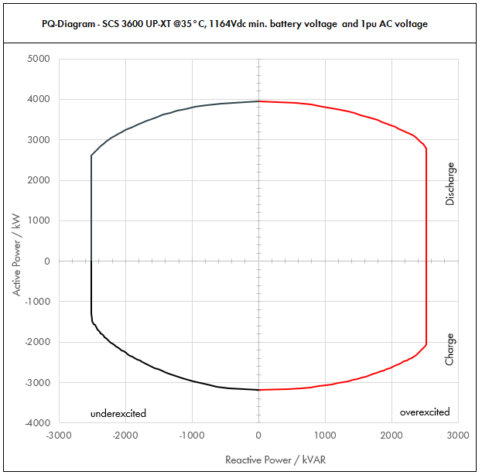

 | Apparent Power [kVA] |  |  |  | Active Power [kW] |  |  |  | Reactive Power [kVAR]
PF | Dis-OE | Dis-UE | Cha-OE | Cha-UE | Dis-OE | Dis-UE | Cha-OE | Cha-UE | Dis-OE | Dis-UE | Cha-OE | Cha-UE
0 | 2520.0027423 | 2520.0021974 | 2520.0023838 | 2520.0018855 | 0 | 0 | 0 | 0 | 2520.0027423 | -2520.0021974 | 2520.0023838 | -2520.0018855
0.01 | 2520.0027423 | 2520.0021974 | 2520.0023838 | 2520.0018855 | 0.025200027423 | 0.025200021974 | -0.025200023838 | -0.025200018855 | 2520.0027422 | -2520.0021972 | 2520.0023837 | -2520.0018853
0.05 | 2533.7115785 | 2530.9868133 | 2531.9189419 | 2529.4272575 | 126.68557892 | 126.54934066 | -126.59594709 | -126.47136287 | 2520.0027423 | -2520.0021974 | 2520.0023838 | -2520.0021974
0.1 | 2547.423157 | 2541.9736266 | 2543.8378838 | 2538.8545149 | 254.7423157 | 254.19736266 | -254.38378838 | -253.88545149 | 2520.0027423 | -2520.0021974 | 2520.0023838 | -2520.0021974
0.15 | 2588.1342433 | 2575.356139 | 2578.3548816 | 2565.6378044 | 388.2201365 | 386.30342086 | -386.75323224 | -384.84567066 | 2520.0027423 | -2520.0021974 | 2520.0023838 | -2520.0021974
0.2 | 2628.8453297 | 2608.7386515 | 2612.8718794 | 2592.4210939 | 525.76906593 | 521.7477303 | -522.57437589 | -518.48421877 | 2520.0027423 | -2520.0021974 | 2520.0023838 | -2520.0021974
0.25 | 2695.3003073 | 2664.5753384 | 2667.7349475 | 2634.8118951 | 673.82507681 | 666.14383461 | -666.93373689 | -658.70297377 | 2520.0027423 | -2520.0021974 | 2520.0023838 | -2520.0021974
0.3 | 2761.7552848 | 2720.4120253 | 2722.5980157 | 2677.2026963 | 828.52658545 | 816.1236076 | -816.7794047 | -803.16080888 | 2520.0027423 | -2520.0021974 | 2520.0023838 | -2520.0021974
0.35 | 2852.5533685 | 2798.2278906 | 2794.4002762 | 2733.497612 | 998.39367896 | 979.3797617 | -978.04009668 | -956.7241642 | 2520.0027423 | -2520.0021974 | 2520.0023838 | -2520.0021974
0.4 | 2943.3514521 | 2876.0437558 | 2866.2025368 | 2789.7925277 | 1177.3405808 | 1150.4175023 | -1146.4810147 | -1115.9170111 | 2520.0027423 | -2520.0021974 | 2520.0023838 | -2520.0021974
0.45 | 3051.6623527 | 2975.1282863 | 2951.8525801 | 2843.2188662 | 1373.2480587 | 1338.8077288 | -1328.333661 | -1279.4484898 | 2520.0027423 | -2520.0021974 | 2520.0023838 | -2520.0021974
0.5 | 3159.9732533 | 3074.2128168 | 3037.5026234 | 2896.6452047 | 1579.9866266 | 1537.1064084 | -1518.7513117 | -1448.3226023 | 2520.0027423 | -2520.0021974 | 2520.0023838 | -2508.568333
0.51 | 3185.1125488 | 3097.9258708 | 3056.5412652 | 2903.7664214 | 1624.4073999 | 1579.9421941 | -1558.8360453 | -1480.9208749 | 2520.0027423 | -2520.0021974 | 2520.0023838 | -2497.745542
0.52 | 3210.2518443 | 3121.6389249 | 3075.5799071 | 2910.8876382 | 1669.330959 | 1623.2522409 | -1599.3015517 | -1513.6615719 | 2520.0027423 | -2520.0021974 | 2520.0023838 | -2486.3820077
0.53 | 3235.3911398 | 3145.3519789 | 3094.6185489 | 2918.008855 | 1714.7573041 | 1667.0365488 | -1640.1478309 | -1546.5446931 | 2520.0027423 | -2520.0021974 | 2520.0023838 | -2474.4646269
0.54 | 3260.5304354 | 3169.065033 | 3113.6571908 | 2925.1300718 | 1760.6864351 | 1711.2951178 | -1681.374883 | -1579.5702388 | 2520.0027423 | -2520.0021974 | 2520.0023838 | -2461.9796501
0.55 | 3285.6697309 | 3192.778087 | 3132.6958326 | 2932.2512885 | 1807.118352 | 1756.0279479 | -1722.9827079 | -1612.7382087 | 2520.0027423 | -2520.0021974 | 2520.0023838 | -2448.9126341
0.56 | 3310.8090264 | 3216.4911411 | 3151.7344744 | 2939.3725053 | 1854.0530548 | 1801.235039 | -1764.9713057 | -1646.048603 | 2520.0027423 | -2520.0021974 | 2520.0023838 | -2435.2483901
0.57 | 3335.948322 | 3240.2041951 | 3170.7731163 | 2946.4937221 | 1901.4905435 | 1846.9163912 | -1807.3406763 | -1679.5014216 | 2520.0027423 | -2520.0021974 | 2520.0023838 | -2420.970927
0.58 | 3361.0876175 | 3263.9172491 | 3189.8117581 | 2953.6149389 | 1949.4308181 | 1893.0720045 | -1850.0908197 | -1713.0966645 | 2520.0027423 | -2520.0021974 | 2520.0023838 | -2406.0633876
0.59 | 3386.226913 | 3287.6303032 | 3208.8504 | 2960.7361557 | 1997.8738787 | 1939.7018789 | -1893.221736 | -1746.8343318 | 2520.0027423 | -2520.0021974 | 2520.0023838 | -2390.5079796
0.6 | 3411.3662085 | 3311.3433572 | 3227.8890418 | 2967.8573724 | 2046.8197251 | 1986.8060143 | -1936.7334251 | -1780.7144235 | 2520.0027423 | -2520.0021974 | 2520.0023838 | -2374.2858979
0.61 | 3439.3661646 | 3339.6504352 | 3237.3555764 | 2971.3412929 | 2098.0133604 | 2037.1867654 | -1974.7869016 | -1812.5181887 | 2520.0027423 | -2520.0021974 | 2520.0023838 | -2354.4950403
0.62 | 3467.3661206 | 3367.9575131 | 3246.8221109 | 2974.8252133 | 2149.7669948 | 2088.1336581 | -2013.0297087 | -1844.3916323 | 2520.0027423 | -2520.0021974 | 2520.0023838 | -2334.0532463
0.63 | 3495.3660766 | 3396.264591 | 3256.2886454 | 2978.3091338 | 2202.0806283 | 2139.6466923 | -2051.4618466 | -1876.3347543 | 2520.0027423 | -2520.0021974 | 2520.0023838 | -2312.9403767
0.64 | 3523.3660327 | 3424.5716689 | 3265.75518 | 2981.7930542 | 2254.9542609 | 2191.7258681 | -2090.0833152 | -1908.3475547 | 2520.0027423 | -2520.0021974 | 2509.3243376 | -2291.1349652
0.65 | 3551.3659887 | 3452.8787468 | 3275.2217145 | 2985.2769747 | 2308.3878926 | 2244.3711854 | -2128.8941144 | -1940.4300335 | 2520.0027423 | -2520.0021974 | 2488.9530186 | -2268.6140925
0.66 | 3579.3659447 | 3481.1858247 | 3284.688249 | 2988.7608951 | 2362.3815235 | 2297.5826443 | -2167.8942444 | -1972.5821908 | 2520.0027423 | -2520.0021974 | 2467.6732844 | -2245.3532437
0.67 | 3607.3659007 | 3509.4929027 | 3294.1547836 | 2992.2448156 | 2416.9351535 | 2351.3602448 | -2207.083705 | -2004.8040265 | 2520.0027423 | -2520.0021974 | 2445.4523625 | -2221.3261471
0.68 | 3635.3658568 | 3537.7999806 | 3303.6213181 | 2995.7287361 | 2472.0487826 | 2405.7039868 | -2246.4624963 | -2037.0955405 | 2520.0027423 | -2520.0021974 | 2422.2551612 | -2196.5045911
0.69 | 3663.3658128 | 3566.1070585 | 3313.0878526 | 2999.2126565 | 2527.7224108 | 2460.6138704 | -2286.0306183 | -2069.456733 | 2520.0027423 | -2520.0021974 | 2398.044022 | -2170.8582149
0.7 | 3691.3657688 | 3594.4141364 | 3322.5543872 | 3002.696577 | 2583.9560382 | 2516.0898955 | -2325.788071 | -2101.8876039 | 2520.0027423 | -2520.0021974 | 2372.7784356 | -2144.3542697
0.71 | 3709.9703838 | 3610.4939026 | 3319.8036691 | 3005.9606571 | 2634.0789725 | 2563.4506709 | -2357.0606051 | -2134.2320665 | 2520.0027423 | -2520.0021974 | 2337.8113067 | -2116.8025317
0.72 | 3728.5749987 | 3626.5736688 | 3317.0529511 | 3009.2247372 | 2684.5739991 | 2611.1330415 | -2388.2781248 | -2166.6418108 | 2520.0027423 | -2516.7480634 | 2301.9487134 | -2088.3239171
0.73 | 3747.1796137 | 3642.653435 | 3314.302233 | 3012.4888173 | 2735.441118 | 2659.1370075 | -2419.4406301 | -2199.1168366 | 2520.0027423 | -2489.5610903 | 2265.1503988 | -2058.8768815
0.74 | 3765.7842286 | 3658.7332011 | 3311.551515 | 3015.7528974 | 2786.6803292 | 2707.4625688 | -2450.5481211 | -2231.6571441 | 2520.0027423 | -2460.8890823 | 2227.3722955 | -2028.4161135
0.75 | 3784.3888436 | 3674.8129673 | 3308.8007969 | 3019.0169775 | 2838.2916327 | 2756.1097255 | -2481.6005977 | -2264.2627331 | 2503.1379361 | -2430.6603066 | 2188.5660116 | -1996.8920316
0.76 | 3802.9934585 | 3690.8927335 | 3306.0500789 | 3022.2810576 | 2890.2750285 | 2805.0784775 | -2512.59806 | -2296.9336038 | 2471.6531928 | -2398.7963451 | 2148.6782247 | -1964.2501905
0.77 | 3821.5980735 | 3706.9724997 | 3303.2993608 | 3025.5451377 | 2942.6305166 | 2854.3688248 | -2543.5405078 | -2329.669756 | 2438.3472842 | -2365.2111376 | 2107.6499596 | -1930.4305758
0.78 | 3840.2026884 | 3723.0522659 | 3300.5486428 | 3028.8092178 | 2995.358097 | 2903.9807674 | -2574.4279414 | -2362.4711899 | 2403.1201716 | -2329.8098371 | 2065.4157252 | -1895.36676
0.79 | 3858.8073034 | 3739.132032 | 3297.7979247 | 3032.0732979 | 3048.4577697 | 2953.9143053 | -2605.2603605 | -2395.3379053 | 2365.8611606 | -2292.4874329 | 2021.902472 | -1858.9848851
0.8 | 3877.4119184 | 3755.2117982 | 3295.0472067 | 3035.337378 | 3101.9295347 | 3004.1694386 | -2636.0377654 | -2428.2699024 | 2326.447151 | -2253.1270789 | 1977.028324 | -1821.2024268
0.81 | 3881.5545386 | 3765.2685773 | 3291.8368559 | 3040.5381044 | 3144.0591763 | 3049.8675476 | -2666.3878533 | -2462.8358646 | 2276.2595485 | -2208.0659866 | 1930.4314807 | -1783.0623849
0.82 | 3885.6971589 | 3775.3253563 | 3288.6265052 | 3045.7388308 | 3186.2716703 | 3095.7667922 | -2696.6737342 | -2497.5058412 | 2224.0313068 | -2160.8585133 | 1882.2898453 | -1743.2698008
0.83 | 3889.8397792 | 3785.3821354 | 3285.4161544 | 3050.9395572 | 3228.5670167 | 3141.8671724 | -2726.8954081 | -2532.2798324 | 2169.6102245 | -2111.3475749 | 1832.4848541 | -1701.7023922
0.84 | 3893.9823995 | 3795.4389144 | 3282.2058036 | 3056.1402835 | 3270.9452156 | 3188.1686881 | -2757.052875 | -2567.1578382 | 2112.8218865 | -2059.3535319 | 1780.8802266 | -1658.2201502
0.85 | 3898.1250198 | 3805.4956935 | 3278.9954529 | 3061.3410099 | 3313.4062668 | 3234.6713395 | -2787.1461349 | -2602.1398584 | 2053.4647747 | -2004.6692492 | 1727.3180374 | -1612.661445
0.86 | 3902.26764 | 3815.5524725 | 3275.7851021 | 3066.5417363 | 3355.9501704 | 3281.3751264 | -2817.1751878 | -2637.2258932 | 1991.3038914 | -1947.0536589 | 1671.6135906 | -1564.8379496
0.87 | 3906.4102603 | 3825.6092516 | 3272.5747513 | 3071.7424627 | 3398.5769265 | 3328.2800489 | -2847.1400336 | -2672.4159425 | 1926.0623034 | -1886.223227 | 1613.5486146 | -1514.527909
0.88 | 3910.5528806 | 3835.6660306 | 3269.3644006 | 3076.9431891 | 3441.2865349 | 3375.386107 | -2877.0406725 | -2707.7100064 | 1857.4097061 | -1821.8404232 | 1552.862052 | -1461.4670404
0.89 | 3914.6955009 | 3845.7228097 | 3266.1540498 | 3082.1439154 | 3484.0789958 | 3422.6933006 | -2906.8771043 | -2743.1080847 | 1784.9466143 | -1753.4977898 | 1489.237314 | -1405.3359566
0.9 | 3918.8381212 | 3855.7795888 | 3262.943699 | 3087.3446418 | 3526.954309 | 3470.2016299 | -2936.6493291 | -2778.6101776 | 1708.1819346 | -1680.6953576 | 1422.2841842 | -1345.7423298
0.91 | 3922.7421555 | 3866.8895082 | 3256.1061842 | 3094.3424094 | 3569.6953615 | 3518.8694525 | -2963.0566276 | -2815.8515925 | 1626.4012557 | -1603.2442874 | 1350.0084831 | -1282.9398876
0.92 | 3926.6461898 | 3877.9994277 | 3249.2686694 | 3101.3401769 | 3612.5144946 | 3567.7594735 | -2989.3271759 | -2853.2329628 | 1538.9247305 | -1519.8591713 | 1273.4480444 | -1215.4721524
0.93 | 3930.5502241 | 3889.1093472 | 3242.4311546 | 3108.3379445 | 3655.4117084 | 3616.8716929 | -3015.4609738 | -2890.7542884 | 1444.7111497 | -1429.479161 | 1191.7864355 | -1142.4991997
0.94 | 3934.4542584 | 3900.2192667 | 3235.5936398 | 3115.3357121 | 3698.3870029 | 3666.2061107 | -3041.4580214 | -2928.4155693 | 1342.3352369 | -1330.6551327 | 1103.9018552 | -1062.8729238
0.95 | 3938.3582927 | 3911.3291862 | 3228.756125 | 3122.3334796 | 3741.4403781 | 3715.7627269 | -3067.3183187 | -2966.2168057 | 1229.7519828 | -1221.3121469 | 1008.1787769 | -974.94831653
0.96 | 3940.2866342 | 3918.663349 | 3219.8520443 | 3134.713928 | 3782.6751688 | 3761.916815 | -3091.0579626 | -3009.3253709 | 1103.2802576 | -1097.2257377 | 901.55857241 | -877.71989985
0.97 | 3942.2149756 | 3925.9975117 | 3210.9479637 | 3147.0943764 | 3823.9485264 | 3808.2175864 | -3114.6195247 | -3052.6815451 | 958.37183902 | -954.42929382 | 780.59723377 | -765.07411284
0.98 | 3944.1433171 | 3933.3316745 | 3202.043883 | 3159.4748248 | 3865.2604507 | 3854.665041 | -3138.0030053 | -3096.2853283 | 784.87461013 | -782.72312042 | 637.19868732 | -628.72755171
0.99 | 3946.0716585 | 3940.6658372 | 3193.1398023 | 3171.8552732 | 3906.610942 | 3901.2591789 | -3161.2084043 | -3140.1367205 | 556.66191044 | -555.8993255 | 450.44780137 | -447.44524905
1 | 3948 | 3948 | 3184.2357216 | 3184.2357216 | 3948 | 3948 | -3184.2357216 | -3184.2357216 | 0 | 0 | 0 | 0

Dis-OE: Discharge Overexcited |  |  |  | Overexcited (OE): +Q, +PF, Leading PF, Injecting kVAR
Dis-UE: Discharge Underexcited |  |  |  | Underexcited (UE): -Q, -PF, Lagging PF, Absorbing kVAR
Cha-OE: Charge Overexcited
Cha-UE: Charge Underexcited

* Max. battery voltage is used to determine the charging power (UE and OE)
** Nominal battery voltage is used to determine the discharging power (UE and OE) and the max. power factor for charging OE
*** Min. battery voltage is used to determine the max. power factor for discharging OE

CATL_35C_1.1pu
 |  |  | Sunny Central Storage UP Inverter PQ Capability

SCS UP (XT) device |  |  |  | 3600 UP-XT |  |  |  | All values on inverter terminal level!
Design temperature |  |  |  | 35 |  | °C |  | Power Factor adjustable: 0.0 UE to 0.0 OE
Installation Altitude |  |  |  | 0 … 1000 |  | m
Max. Battery Voltage (min. 1200V)* |  |  |  | 1495 |  | VDC
Nom. Battery Voltage** |  |  |  | 1296.4 |  | VDC
Min. Battery Voltage*** |  |  |  | 1164 |  | VDC |  | Please select:
AC Voltage |  |  |  | 1.1 |  | pu |  | Project plant specific |  |  | VArRtg: | 2520 | kVAr
PF Dis-OE (@min battery voltage) |  |  |  | 0
PF Cha-OE (@nom battery voltage) |  |  |  | 0

 | PQ-Diagram - SCS 3600 UP-XT @35°C, 1164Vdc min. battery voltage and 1.1pu AC voltage
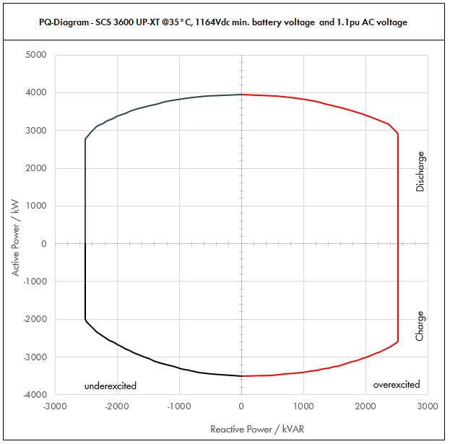

 | Apparent Power [kVA] |  |  |  | Active Power [kW] |  |  |  | Reactive Power [kVAR]
PF | Dis-OE | Dis-UE | Cha-OE | Cha-UE | Dis-OE | Dis-UE | Cha-OE | Cha-UE | Dis-OE | Dis-UE | Cha-OE | Cha-UE
0 | 2520.0029778 | 2520.0023283 | 2520.0029241 | 2520.0022301 | 0 | 0 | 0 | 0 | 2520.0029778 | -2520.0023283 | 2520.0029241 | -2520.0022301
0.01 | 2520.0029778 | 2520.0023283 | 2520.0029241 | 2520.0022301 | 0.025200029778 | 0.025200023283 | -0.025200029241 | -0.025200022301 | 2520.0029777 | -2520.0023282 | 2520.0029239 | -2520.00223
0.05 | 2534.8892089 | 2531.6416621 | 2534.6203489 | 2531.1504348 | 126.74446044 | 126.5820831 | -126.73101744 | -126.55752174 | 2520.0029778 | -2520.0023283 | 2520.0029241 | -2520.0023283
0.1 | 2549.7784177 | 2543.2833242 | 2549.2406977 | 2542.3008696 | 254.97784177 | 254.32833242 | -254.92406977 | -254.23008696 | 2520.0029778 | -2520.0023283 | 2520.0029241 | -2520.0023283
0.15 | 2594.2669468 | 2578.5729648 | 2591.7118075 | 2574.2976699 | 389.14004203 | 386.78594473 | -388.75677112 | -386.14465048 | 2520.0029778 | -2520.0023283 | 2520.0029241 | -2520.0023283
0.2 | 2638.7554759 | 2613.8626055 | 2634.1829172 | 2606.2944702 | 527.75109519 | 522.7725211 | -526.83658344 | -521.25889404 | 2520.0029778 | -2520.0023283 | 2520.0029241 | -2520.0023283
0.25 | 2709.7023266 | 2673.4337311 | 2700.8214395 | 2657.0648225 | 677.42558165 | 668.35843277 | -675.20535988 | -664.26620563 | 2520.0029778 | -2520.0023283 | 2520.0029241 | -2520.0023283
0.3 | 2780.6491773 | 2733.0048566 | 2767.4599618 | 2707.8351748 | 834.19475318 | 819.90145699 | -830.23798854 | -812.35055244 | 2520.0029778 | -2520.0023283 | 2520.0029241 | -2520.0023283
0.35 | 2875.112213 | 2815.3260723 | 2853.3734989 | 2773.9994522 | 1006.2892746 | 985.3641253 | -998.6807246 | -970.89980826 | 2520.0029778 | -2520.0023283 | 2520.0029241 | -2520.0023283
0.4 | 2969.5752488 | 2897.6472879 | 2939.2870359 | 2840.1637295 | 1187.8300995 | 1159.0589152 | -1175.7148144 | -1136.0654918 | 2520.0029778 | -2520.0023283 | 2520.0029241 | -2520.0023283
0.45 | 3082.6191629 | 3001.8228403 | 3040.9394983 | 2920.0912903 | 1387.1786233 | 1350.8202781 | -1368.4227743 | -1314.0410806 | 2520.0029778 | -2520.0023283 | 2520.0029241 | -2520.0023283
0.5 | 3195.663077 | 3105.9983927 | 3142.5919607 | 3000.018851 | 1597.8315385 | 1552.9991963 | -1571.2959804 | -1500.0094255 | 2520.0029778 | -2520.0023283 | 2520.0029241 | -2520.0023283
0.51 | 3221.5112462 | 3130.9812304 | 3164.9420229 | 3019.5430921 | 1642.9707356 | 1596.8004275 | -1614.1204317 | -1539.966977 | 2520.0029778 | -2520.0023283 | 2520.0029241 | -2520.0023283
0.52 | 3247.3594154 | 3155.9640682 | 3187.2920851 | 3039.0673332 | 1688.626896 | 1641.1013155 | -1657.3918843 | -1580.3150133 | 2520.0029778 | -2520.0023283 | 2520.0029241 | -2520.0023283
0.53 | 3273.2075847 | 3180.9469059 | 3209.6421473 | 3058.5915743 | 1734.8000199 | 1685.9018601 | -1701.1103381 | -1621.0535344 | 2520.0029778 | -2520.0023283 | 2520.0029241 | -2520.0023283
0.54 | 3299.0557539 | 3205.9297437 | 3231.9922095 | 3078.1158153 | 1781.4901071 | 1731.2020616 | -1745.2757931 | -1662.1825403 | 2520.0029778 | -2520.0023283 | 2520.0029241 | -2520.0023283
0.55 | 3324.9039231 | 3230.9125815 | 3254.3422716 | 3097.6400564 | 1828.6971577 | 1777.0019198 | -1789.8882494 | -1703.702031 | 2520.0029778 | -2520.0023283 | 2520.0029241 | -2520.0023283
0.56 | 3350.7520924 | 3255.8954192 | 3276.6923338 | 3117.1642975 | 1876.4211717 | 1823.3014348 | -1834.9477069 | -1745.6120066 | 2520.0029778 | -2520.0023283 | 2520.0029241 | -2520.0023283
0.57 | 3376.6002616 | 3280.878257 | 3299.042396 | 3136.6885386 | 1924.6621491 | 1870.1006065 | -1880.4541657 | -1787.912467 | 2520.0029778 | -2520.0023283 | 2520.0029241 | -2520.0023283
0.58 | 3402.4484309 | 3305.8610947 | 3321.3924582 | 3156.2127796 | 1973.4200899 | 1917.399435 | -1926.4076257 | -1830.6034122 | 2520.0029778 | -2520.0023283 | 2520.0029241 | -2520.0023283
0.59 | 3428.2966001 | 3330.8439325 | 3343.7425203 | 3175.7370207 | 2022.6949941 | 1965.1979202 | -1972.808087 | -1873.6848422 | 2520.0029778 | -2520.0023283 | 2520.0029241 | -2520.0023283
0.6 | 3454.1447693 | 3355.8267703 | 3366.0925825 | 3195.2612618 | 2072.4868616 | 2013.4960622 | -2019.6555495 | -1917.1567571 | 2520.0029778 | -2520.0023283 | 2520.0029241 | -2520.0023283
0.61 | 3482.8269537 | 3385.4274698 | 3390.4879729 | 3205.4108909 | 2124.5244418 | 2065.1107565 | -2068.1976635 | -1955.3006435 | 2520.0029778 | -2520.0023283 | 2520.0029241 | -2520.0023283
0.62 | 3511.5091381 | 3415.0281692 | 3414.8833633 | 3215.5605201 | 2177.1356656 | 2117.3174649 | -2117.2276852 | -1993.6475225 | 2520.0029778 | -2520.0023283 | 2520.0029241 | -2520.0023283
0.63 | 3540.1913225 | 3444.6288687 | 3439.2787537 | 3225.7101493 | 2230.3205332 | 2170.1161873 | -2166.7456148 | -2032.1973941 | 2520.0029778 | -2520.0023283 | 2520.0029241 | -2505.0708012
0.64 | 3568.8735069 | 3474.2295682 | 3463.6741441 | 3235.8597785 | 2284.0790444 | 2223.5069236 | -2216.7514522 | -2070.9502582 | 2520.0029778 | -2520.0023283 | 2520.0029241 | -2486.3534612
0.65 | 3597.5556913 | 3503.8302677 | 3488.0695344 | 3246.0094076 | 2338.4111993 | 2277.489674 | -2267.2451974 | -2109.906115 | 2520.0029778 | -2520.0023283 | 2520.0029241 | -2466.7535873
0.66 | 3626.2378756 | 3533.4309672 | 3512.4649248 | 3256.1590368 | 2393.3169979 | 2332.0644383 | -2318.2268504 | -2149.0649643 | 2520.0029778 | -2520.0023283 | 2520.0029241 | -2446.2402687
0.67 | 3654.92006 | 3563.0316666 | 3536.8603152 | 3266.308666 | 2448.7964402 | 2387.2312166 | -2369.6964112 | -2188.4268062 | 2520.0029778 | -2520.0023283 | 2520.0029241 | -2424.7804881
0.68 | 3683.6022444 | 3592.6323661 | 3561.2557056 | 3276.4582952 | 2504.8495262 | 2442.990009 | -2421.6538798 | -2227.9916407 | 2520.0029778 | -2520.0023283 | 2520.0029241 | -2402.3389038
0.69 | 3712.2844288 | 3622.2330656 | 3585.651096 | 3286.6079243 | 2561.4762559 | 2499.3408153 | -2474.0992562 | -2267.7594678 | 2520.0029778 | -2520.0023283 | 2520.0029241 | -2378.8776018
0.7 | 3740.9666132 | 3651.8337651 | 3610.0464864 | 3296.7575535 | 2618.6766292 | 2556.2836356 | -2527.0325405 | -2307.7302875 | 2520.0029778 | -2520.0023283 | 2520.0029241 | -2354.3558115
0.71 | 3761.6699519 | 3674.4868311 | 3614.4748866 | 3300.6396387 | 2670.7856658 | 2608.8856501 | -2566.2771695 | -2343.4541435 | 2520.0029778 | -2520.0023283 | 2520.0029241 | -2324.3159643
0.72 | 3782.3732906 | 3697.1398972 | 3618.9032869 | 3304.5217239 | 2723.3087692 | 2661.940726 | -2605.6103666 | -2379.2556412 | 2520.0029778 | -2520.0023283 | 2511.4250173 | -2293.2523667
0.73 | 3803.0766292 | 3719.7929632 | 3623.3316872 | 3308.4038091 | 2776.2459393 | 2715.4488631 | -2645.0321316 | -2415.1347807 | 2520.0029778 | -2520.0023283 | 2476.355697 | -2261.1191378
0.74 | 3823.7799679 | 3742.4460292 | 3627.7600874 | 3312.2858943 | 2829.5971763 | 2769.4100616 | -2684.5424647 | -2451.0915618 | 2520.0029778 | -2517.1949055 | 2440.0563533 | -2227.8662441
0.75 | 3844.4833066 | 3765.0990953 | 3632.1884877 | 3316.1679795 | 2883.3624799 | 2823.8243214 | -2724.1413658 | -2487.1259846 | 2520.0029778 | -2490.3789669 | 2402.4668633 | -2193.4389449
0.76 | 3865.1866453 | 3787.7521613 | 3636.616888 | 3320.0500647 | 2937.5418504 | 2878.6916426 | -2763.8288349 | -2523.2380492 | 2512.0739798 | -2461.7475221 | 2363.5212209 | -2157.7771385
0.77 | 3885.889984 | 3810.4052273 | 3633.6292969 | 3323.9321499 | 2992.1352876 | 2934.012025 | -2797.8945586 | -2559.4277554 | 2479.3683445 | -2431.2057571 | 2318.4149556 | -2120.8145845
0.78 | 3906.5933226 | 3833.0582934 | 3630.6035071 | 3327.8142351 | 3047.1427917 | 2989.7854688 | -2831.8707355 | -2595.6951034 | 2444.6660704 | -2398.6493555 | 2271.9572978 | -2082.4779744
0.79 | 3927.2966613 | 3855.7113594 | 3627.5777172 | 3331.6963203 | 3102.5643624 | 3046.0119739 | -2865.7863966 | -2632.040093 | 2407.8524546 | -2363.9630162 | 2224.0927192 | -2042.6858102
0.8 | 3948 | 3878.3644254 | 3624.5519274 | 3335.5784055 | 3158.4 | 3102.6915404 | -2899.6415419 | -2668.4627244 | 2368.8 | -2327.0186553 | 2174.7311564 | -2001.3470433
0.81 | 3948 | 3885.3279829 | 3621.0205415 | 3341.2266558 | 3197.88 | 3147.1156661 | -2933.0266386 | -2706.3935912 | 2315.2251522 | -2278.472409 | 2123.4746288 | -1959.395135
0.82 | 3948 | 3892.2915404 | 3617.4891557 | 3346.8749061 | 3237.36 | 3191.6790631 | -2966.3411077 | -2744.437423 | 2259.6911803 | -2227.8056902 | 2070.5188298 | -1915.6291051
0.83 | 3948 | 3899.2550978 | 3613.9577698 | 3352.5231564 | 3276.84 | 3236.3817312 | -2999.584949 | -2782.5942198 | 2202.0498665 | -2174.8617445 | 2015.7333395 | -1869.9146831
0.84 | 3948 | 3906.2186553 | 3610.426384 | 3358.1714067 | 3316.32 | 3281.2236704 | -3032.7581625 | -2820.8639817 | 2142.1311019 | -2119.4611125 | 1958.9682493 | -1822.0981296
0.85 | 3948 | 3913.1822127 | 3606.8949981 | 3363.819657 | 3355.8 | 3326.2048808 | -3065.8607484 | -2859.2467085 | 2079.7380508 | -2061.3966433 | 1900.0498412 | -1772.0019597
0.86 | 3948 | 3920.1457702 | 3603.3636123 | 3369.4679074 | 3395.28 | 3371.3253624 | -3098.8927066 | -2897.7424003 | 2014.6408418 | -2000.4269946 | 1838.7749497 | -1719.4193671
0.87 | 3948 | 3927.1093276 | 3599.8322265 | 3375.1161577 | 3434.76 | 3416.585115 | -3131.854037 | -2936.3510572 | 1946.5681962 | -1936.2680142 | 1774.9034761 | -1664.1068315
0.88 | 3948 | 3934.0728851 | 3596.3008406 | 3380.764408 | 3474.24 | 3461.9841389 | -3164.7447397 | -2975.072679 | 1875.1961024 | -1868.5810893 | 1708.1482572 | -1605.7741238
0.89 | 3948 | 3941.0364425 | 3592.7694548 | 3386.4126583 | 3513.72 | 3507.5224339 | -3197.5648147 | -3013.9072659 | 1800.1321511 | -1796.9570438 | 1638.1610454 | -1544.0704922
...

CATL_40C_0.9pu
...
SCS UP (XT) device |  |  |  | 3600 UP-XT |  |  |  | All values on inverter terminal level!
Design temperature |  |  |  | 40 |  | °C |  | Power Factor adjustable: 0.0 UE to 0.0 OE
Installation Altitude |  |  |  | 0 … 1000 |  | m
Max. Battery Voltage (min. 1200V) |  |  |  | 1496 |  | VDC
Min. battery voltage |  |  |  | 1164 |  | VDC |  | Please select:
AC voltage |  |  |  | 0.9 |  | pu |  | Project plant specific |  |  | VArRtg: | 2520 | kVAr
PF Dis-OE (@min battery voltage) |  |  |  | 0
PF Cha-OE (@min battery voltage) |  |  |  | 0

 | PQ-Diagram - SCS 3600 UP-XT @40°C, 1164Vdc min. battery voltage and 0.9pu AC voltage
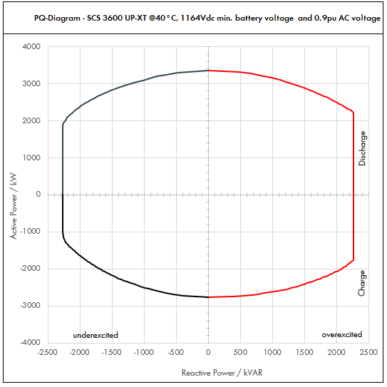

 | Apparent Power [kVA] |  |  |  | Active Power [kW] |  |  |  | Reactive Power [kVAR]
PF | Dis-OE | Dis-UE | Cha-OE | Cha-UE | Dis-OE | Dis-UE | Cha-OE | Cha-UE | Dis-OE | Dis-UE | Cha-OE | Cha-UE
0 | 2268.0020304 | 2268.0016709 | 2268.0019844 | 2268.0015641 | 0 | 0 | 0 | 0 | 2268.0020304 | -2268.0016709 | 2268.0019844 | -2268.0015641
0.01 | 2268.0020304 | 2268.0016709 | 2268.0019844 | 2268.0015641 | 0.022680020304 | 0.022680016709 | -0.022680019844 | -0.022680015641 | 2268.0020303 | -2268.0016708 | 2268.0019843 | -2268.001564
0.05 | 2278.1520013 | 2276.3546453 | 2277.9218683 | 2275.8203583 | 113.90760006 | 113.81773226 | -113.89609341 | -113.79101791 | 2268.0020304 | -2268.0016709 | 2268.0020304 | -2268.0016709
0.1 | 2288.3040026 | 2284.7092906 | 2287.8437365 | 2283.6407166 | 228.83040026 | 228.47092906 | -228.78437365 | -228.36407166 | 2268.0020304 | -2268.0016709 | 2268.0020304 | -2268.0016709
0.15 | 2318.8465762 | 2310.5498601 | 2316.6608721 | 2305.9586053 | 347.82698643 | 346.58247901 | -347.49913082 | -345.8937908 | 2268.0020304 | -2268.0016709 | 2268.0020304 | -2268.0016709
...

CATL_40C_1.0pu
...
SCS UP (XT) device |  |  |  | 3600 UP-XT |  |  |  | All values on inverter terminal level!
Design temperature |  |  |  | 40 |  | °C |  | Power Factor adjustable: 0.0 UE to 0.0 OE
Installation Altitude |  |  |  | 0 … 1000 |  | m
Max. Battery Voltage (min. 1200V) |  |  |  | 1496 |  | VDC
Min. battery voltage |  |  |  | 1164 |  | VDC |  | Please select:
AC voltage |  |  |  | 1 |  | pu |  | Project plant specific |  |  | VArRtg: | 2520 | kVAr
PF Dis-OE (@min battery voltage) |  |  |  | 0
PF Cha-OE (@min battery voltage) |  |  |  | 0

 | PQ-Diagram - SCS 3600 UP-XT @40°C, 1164Vdc min. battery voltage and 1pu AC voltage
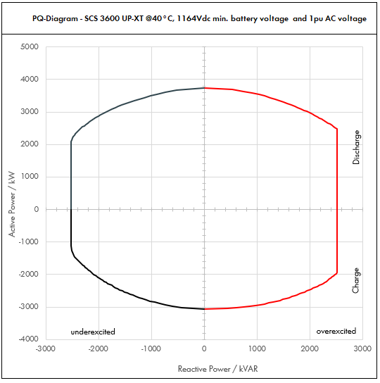

 | Apparent Power [kVA] |  |  |  | Active Power [kW] |  |  |  | Reactive Power [kVAR]
PF | Dis-OE | Dis-UE | Cha-OE | Cha-UE | Dis-OE | Dis-UE | Cha-OE | Cha-UE | Dis-OE | Dis-UE | Cha-OE | Cha-UE
0 | 2520.002256 | 2520.0018566 | 2520.0022049 | 2520.0017379 | 0 | 0 | 0 | 0 | 2520.002256 | -2520.0018566 | 2520.0022049 | -2520.0017379
0.01 | 2520.002256 | 2520.0018566 | 2520.0022049 | 2520.0017379 | 0.02520002256 | 0.025200018566 | -0.025200022049 | -0.025200017379 | 2520.0022559 | -2520.0018565 | 2520.0022047 | -2520.0017377
0.05 | 2531.2800014 | 2529.2829392 | 2531.0242981 | 2528.689287 | 126.56400007 | 126.46414696 | -126.5512149 | -126.43446435 | 2520.002256 | -2520.0018566 | 2520.002256 | -2520.0018566
0.1 | 2542.5600029 | 2538.5658784 | 2542.0485961 | 2537.378574 | 254.25600029 | 253.85658784 | -254.20485961 | -253.7378574 | 2520.002256 | -2520.0018566 | 2520.002256 | -2520.0018566
0.15 | 2576.4961958 | 2567.2776223 | 2574.0676357 | 2562.1762281 | 386.47442937 | 385.09164334 | -386.11014535 | -384.32643422 | 2520.002256 | -2520.0018566 | 2520.002256 | -2520.0018566
...

CATL_40C_1.1pu
...
SCS UP (XT) device |  |  |  | 3600 UP-XT |  |  |  | All values on inverter terminal level!
Design temperature |  |  |  | 40 |  | °C |  | Power Factor adjustable: 0.0 UE to 0.0 OE
Installation Altitude |  |  |  | 0 … 1000 |  | m
Max. Battery Voltage (min. 1200V) |  |  |  | 1496 |  | VDC
Min. battery voltage |  |  |  | 1164 |  | VDC |  | Please select:
AC voltage |  |  |  | 1.1 |  | pu |  | Project plant specific |  |  | VArRtg: | 2520 | kVAr
PF Dis-OE (@min battery voltage) |  |  |  | 0
PF Cha-OE (@min battery voltage) |  |  |  | 0

 | PQ-Diagram - SCS 3600 UP-XT @40°C, 1164Vdc min. battery voltage and 1.1pu AC voltage
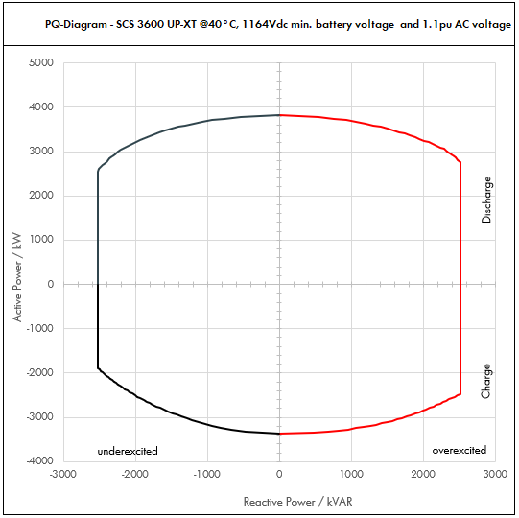

 | Apparent Power [kVA] |  |  |  | Active Power [kW] |  |  |  | Reactive Power [kVAR]
PF | Dis-OE | Dis-UE | Cha-OE | Cha-UE | Dis-OE | Dis-UE | Cha-OE | Cha-UE | Dis-OE | Dis-UE | Cha-OE | Cha-UE
0 | 2520.0027539 | 2520.0021804 | 2520.0027162 | 2520.0020841 | 0 | 0 | 0 | 0 | 2520.0027539 | -2520.0021804 | 2520.0027162 | -2520.0020841
0.01 | 2520.0027539 | 2520.0021804 | 2520.0027162 | 2520.0020841 | 0.025200027539 | 0.025200021804 | -0.025200027162 | -0.025200020841 | 2520.0027538 | -2520.0021802 | 2520.002716 | -2520.002084
0.05 | 2533.7693887 | 2530.9018593 | 2533.5808516 | 2530.4204043 | 126.68846944 | 126.54509296 | -126.67904258 | -126.52102021 | 2520.0027539 | -2520.0021804 | 2520.0027539 | -2520.0021804
0.1 | 2547.5387775 | 2541.8037185 | 2547.1617032 | 2540.8408086 | 254.75387775 | 254.18037185 | -254.71617032 | -254.08408086 | 2520.0027539 | -2520.0021804 | 2520.0027539 | -2520.0021804
0.15 | 2588.7576871 | 2574.8939677 | 2586.698209 | 2570.5942275 | 388.31365306 | 386.23409516 | -388.00473136 | -385.58913413 | 2520.0027539 | -2520.0021804 | 2520.0027539 | -2520.0021804
...

CATL_50C_0.9pu
...
SCS UP (XT) device |  |  |  | 3600 UP-XT |  |  |  | All values on inverter terminal level!
Design temperature |  |  |  | 50 |  | °C |  | Power Factor adjustable: 0.0 UE to 0.0 OE
Installation Altitude |  |  |  | 0 … 1000 |  | m
Max. Battery Voltage (min. 1200V) |  |  |  | 1496 |  | VDC
Min. battery voltage |  |  |  | 1164 |  | VDC |  | Please select:
AC voltage |  |  |  | 0.9 |  | pu |  | Project plant specific |  |  | VArRtg: | 2520 | kVAr
PF Dis-OE (@min battery voltage) |  |  |  | 0
PF Cha-OE (@min battery voltage) |  |  |  | 0

 | PQ-Diagram - SCS 3600 UP-XT @50°C, 1164Vdc min. battery voltage and 0.9pu AC voltage
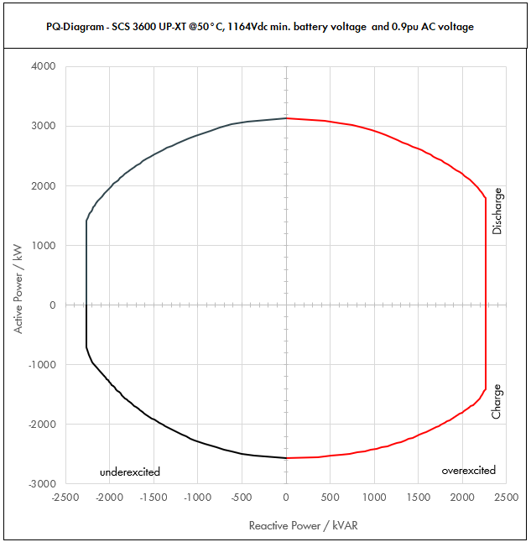

 | Apparent Power [kVA] |  |  |  | Active Power [kW] |  |  |  | Reactive Power [kVAR]
PF | Dis-OE | Dis-UE | Cha-OE | Cha-UE | Dis-OE | Dis-UE | Cha-OE | Cha-UE | Dis-OE | Dis-UE | Cha-OE | Cha-UE
0 | 2268.0017521 | 2268.0014176 | 2268.0017141 | 2268.0013543 | 0 | 0 | 0 | 0 | 2268.0017521 | -2268.0014176 | 2268.0017141 | -2268.0013543
0.01 | 2268.0017521 | 2268.0014176 | 2268.0017141 | 2268.0013543 | 0.022680017521 | 0.022680014176 | -0.022680017141 | -0.022680013543 | 2268.001752 | -2268.0014175 | 2268.0017139 | -2268.0013542
0.05 | 2276.7603855 | 2275.0878715 | 2276.5703073 | 2274.771326 | 113.83801928 | 113.75439358 | -113.82851536 | -113.7385663 | 2268.0017521 | -2268.0014176 | 2268.0017521 | -2268.0014176
0.1 | 2285.5207711 | 2282.175743 | 2285.1406146 | 2281.5426521 | 228.55207711 | 228.2175743 | -228.51406146 | -228.15426521 | 2268.0017521 | -2268.0014176 | 2268.0017521 | -2268.0014176
0.15 | 2311.9068962 | 2303.7809236 | 2310.1052608 | 2300.8304472 | 346.78603443 | 345.56713854 | -346.51578912 | -345.12456708 | 2268.0017521 | -2268.0014176 | 2268.0017521 | -2268.0014176
0.2 | 2338.2930213 | 2325.3861041 | 2335.0699071 | 2320.1182423 | 467.65860427 | 465.07722083 | -467.01398142 | -464.02364846 | 2268.0017521 | -2268.0014176 | 2268.0017521 | -2268.0014176
0.25 | 2381.7732587 | 2362.1921396 | 2374.6771413 | 2350.698489 | 595.44331468 | 590.54803489 | -593.66928532 | -587.67462224 | 2268.0017521 | -2268.0014176 | 2268.0017521 | -2268.0014176
0.3 | 2425.2534961 | 2398.998175 | 2414.2843755 | 2381.2787356 | 727.57604884 | 719.69945249 | -724.28531264 | -714.38362068 | 2268.0017521 | -2268.0014176 | 2268.0017521 | -2268.0014176
...

CATL_50C_1.0pu
...
SCS UP (XT) device |  |  |  | 3600 UP-XT |  |  |  | All values on inverter terminal level!
Design temperature |  |  |  | 50 |  | °C |  | Power Factor adjustable: 0.0 UE to 0.0 OE
Installation Altitude |  |  |  | 0 … 1000 |  | m
Max. Battery Voltage (min. 1200V) |  |  |  | 1496 |  | VDC
Min. battery voltage |  |  |  | 1164 |  | VDC |  | Please select:
AC voltage |  |  |  | 1 |  | pu |  | Project plant specific |  |  | VArRtg: | 2520 | kVAr
PF Dis-OE (@min battery voltage) |  |  |  | 0
PF Cha-OE (@min battery voltage) |  |  |  | 0

 | PQ-Diagram - SCS 3600 UP-XT @50°C, 1164Vdc min. battery voltage and 1pu AC voltage
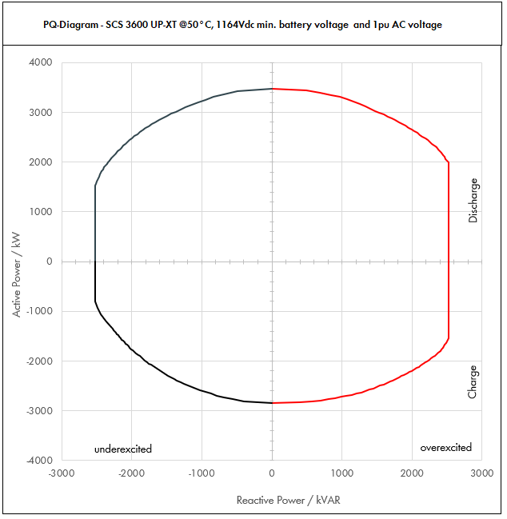

 | Apparent Power [kVA] |  |  |  | Active Power [kW] |  |  |  | Reactive Power [kVAR]
PF | Dis-OE | Dis-UE | Cha-OE | Cha-UE | Dis-OE | Dis-UE | Cha-OE | Cha-UE | Dis-OE | Dis-UE | Cha-OE | Cha-UE
0 | 2520.0019468 | 2520.0015751 | 2520.0019045 | 2520.0015047 | 0 | 0 | 0 | 0 | 2520.0019468 | -2520.0015751 | 2520.0019045 | -2520.0015047
0.01 | 2520.0019468 | 2520.0015751 | 2520.0019045 | 2520.0015047 | 0.025200019468 | 0.025200015751 | -0.025200019045 | -0.025200015047 | 2520.0019466 | -2520.001575 | 2520.0019044 | -2520.0015046
0.05 | 2529.7337617 | 2527.8754128 | 2529.5225637 | 2527.5236956 | 126.48668809 | 126.39377064 | -126.47612818 | -126.37618478 | 2520.0019468 | -2520.0015751 | 2520.0019468 | -2520.0015751
0.1 | 2539.4675234 | 2535.7508256 | 2539.0451273 | 2535.0473912 | 253.94675234 | 253.57508256 | -253.90451273 | -253.50473912 | 2520.0019468 | -2520.0015751 | 2520.0019468 | -2520.0015751
0.15 | 2568.7854402 | 2559.7565818 | 2566.7836231 | 2556.4782747 | 385.31781603 | 383.96348726 | -385.01754347 | -383.4717412 | 2520.0019468 | -2520.0015751 | 2520.0019468 | -2520.0015751
0.2 | 2598.103357 | 2583.7623379 | 2594.522119 | 2577.9091581 | 519.62067141 | 516.75246758 | -518.9044238 | -515.58183163 | 2520.0019468 | -2520.0015751 | 2520.0019468 | -2520.0015751
0.25 | 2646.4147319 | 2624.6579328 | 2638.530157 | 2611.88721 | 661.60368298 | 656.16448321 | -659.63253924 | -652.97180249 | 2520.0019468 | -2520.0015751 | 2520.0019468 | -2520.0015751
0.3 | 2694.7261068 | 2665.5535277 | 2682.538195 | 2645.8652618 | 808.41783204 | 799.66605832 | -804.76145849 | -793.75957854 | 2520.0019468 | -2520.0015751 | 2520.0019468 | -2520.0015751
0.35 | 2761.1051081 | 2722.8755573 | 2740.8978997 | 2655.5435748 | 966.38678783 | 953.00644507 | -959.31426488 | -929.44025117 | 2520.0019468 | -2520.0015751 | 2520.0019468 | -2487.5796464
...

CATL_50C_1.1pu
...
SCS UP (XT) device |  |  |  | 3600 UP-XT |  |  |  | All values on inverter terminal level!
Design temperature |  |  |  | 50 |  | °C |  | Power Factor adjustable: 0.0 UE to 0.0 OE
Installation Altitude |  |  |  | 0 … 1000 |  | m
Max. Battery Voltage (min. 1200V) |  |  |  | 1496 |  | VDC
Min. battery voltage |  |  |  | 1164 |  | VDC |  | Please select:
AC voltage |  |  |  | 1.1 |  | pu |  | Project plant specific |  |  | VArRtg: | 2520 | kVAr
PF Dis-OE (@min battery voltage) |  |  |  | 0
PF Cha-OE (@min battery voltage) |  |  |  | 0

 | PQ-Diagram - SCS 3600 UP-XT @50°C, 1164Vdc min. battery voltage and 1.1pu AC voltage
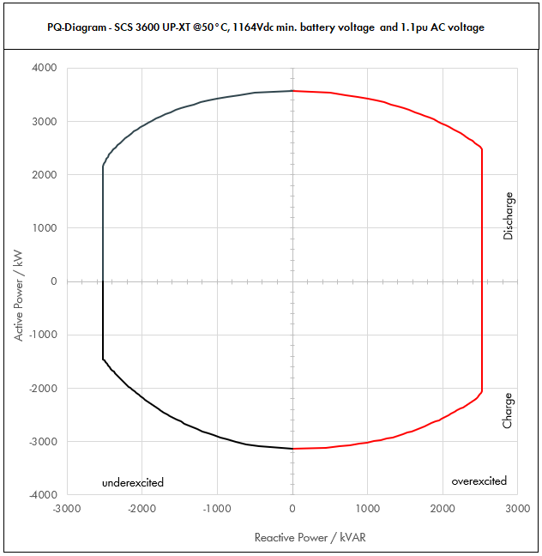

 | Apparent Power [kVA] |  |  |  | Active Power [kW] |  |  |  | Reactive Power [kVAR]
PF | Dis-OE | Dis-UE | Cha-OE | Cha-UE | Dis-OE | Dis-UE | Cha-OE | Cha-UE | Dis-OE | Dis-UE | Cha-OE | Cha-UE
0 | 2520.002444 | 2520.0018976 | 2520.0023776 | 2520.0018135 | 0 | 0 | 0 | 0 | 2520.002444 | -2520.0018976 | 2520.0023776 | -2520.0018135
0.01 | 2520.002444 | 2520.0018976 | 2520.0023776 | 2520.0018135 | 0.02520002444 | 0.025200018976 | -0.025200023776 | -0.025200018135 | 2520.0024439 | -2520.0018975 | 2520.0023775 | -2520.0018134
0.05 | 2532.220161 | 2529.4881717 | 2531.8879252 | 2529.0674932 | 126.61100805 | 126.47440859 | -126.59439626 | -126.45337466 | 2520.002444 | -2520.0018976 | 2520.002444 | -2520.0018976
0.1 | 2544.440322 | 2538.9763434 | 2543.7758504 | 2538.1349865 | 254.4440322 | 253.89763434 | -254.37758504 | -253.81349865 | 2520.002444 | -2520.0018976 | 2520.002444 | -2520.0018976
0.15 | 2580.7834679 | 2567.9224529 | 2578.3842281 | 2564.0716652 | 387.11752018 | 385.18836793 | -386.75763421 | -384.61074978 | 2520.002444 | -2520.0018976 | 2520.002444 | -2520.0018976
0.2 | 2617.1266138 | 2596.8685623 | 2612.9926057 | 2590.0083439 | 523.42532275 | 519.37371247 | -522.59852114 | -518.00166879 | 2520.002444 | -2520.0018976 | 2520.002444 | -2520.0018976
0.25 | 2676.3399555 | 2645.6031147 | 2667.7820159 | 2631.2387545 | 669.08498887 | 661.40077868 | -666.94550398 | -657.80968862 | 2520.002444 | -2520.0018976 | 2520.002444 | -2520.0018976
0.3 | 2735.5532972 | 2694.3376671 | 2722.5714261 | 2672.469165 | 820.66598917 | 808.30130013 | -816.77142783 | -801.7407495 | 2520.002444 | -2520.0018976 | 2520.002444 | -2520.0018976
...

